자항선1
4/10~4/24

8m 트레슬
 | 2 | 4 | 6 | 8 | 10 | 12 | 14 | 16 | 18 | 20 | 22 | 24 | 26 | 28 | 30 | 32 | 34 | 36 | 38 | 40 | 42 | 44 | 46 | 48 | 50 | 52 | 54 | 56 | 58 | 60 | 62 | 64 | 66 | 68 | 70 | 72 | 74 | 76 | 78 | 80 | 82 | 84 | 86 | 88 | 90 | 92 | 94 | 96 | 98 | 100 | 102 | 104 | 106 | 108 | 110 | 112 | 114 | 116 | 118 | 120 | 122 | 124 | 126 | 128 | 130 | 132 | 134 | 136 | 138 | 140 | 142 | 144 | 146 | 148 | 150 | 152 | 154 | 156 | 158 | 160 | 162 | 164 | 166 | 168 | 170 | 172
2 |  |  |  |  |  |  |  |  |  |  |  |  |  |  |  |  |  |  |  |  |  |  |  |  |  |  |  |  |  |  |  |  |  |  |  |  |  |  |  |  |  |  |  |  |  |  |  |  |  |  |  |  |  |  |  |  |  |  |  |  |  |  |  |  |  |  |  |  |  |  |  |  |  |  |  |  |  |  |  |  |  |  |  |  |  |  | 4/17~4/26
4
10m 트레슬
6
4383-20F
(21.8X51)
4383-20D
(21.8X51)
4383-20D
(21.8X51)
4383-20C
(21.8X51)
4383-20B
(21.1X51)
4383-20A
(18.6X51)
J21(16.7m)
8
10
12
14
16
18
20
22
24
26
28
12m 트레슬
30
J47(23m)
32
34
36
38
40
42
44
46
48
50
52
54
56
58
60
62

 | 4/30~5/13

4374-20Y
(102.2X61)
8m 트레슬
 | 2 | 4 | 6 | 8 | 10 | 12 | 14 | 16 | 18 | 20 | 22 | 24 | 26 | 28 | 30 | 32 | 34 | 36 | 38 | 40 | 42 | 44 | 46 | 48 | 50 | 52 | 54 | 56 | 58 | 60 | 62 | 64 | 66 | 68 | 70 | 72 | 74 | 76 | 78 | 80 | 82 | 84 | 86 | 88 | 90 | 92 | 94 | 96 | 98 | 100 | 102 | 104 | 106 | 108 | 110 | 112 | 114 | 116 | 118 | 120 | 122 | 124 | 126 | 128 | 130 | 132 | 134 | 136 | 138 | 140 | 142 | 144 | 146 | 148 | 150 | 152 | 154 | 156 | 158 | 160 | 162 | 164 | 166 | 168 | 170 | 172
2 |  |  |  |  |  |  |  |  |  |  |  |  |  |  |  |  |  |  |  |  |  |  |  |  |  |  |  |  |  |  |  |  |  |  |  |  |  |  |  |  |  |  |  |  |  |  |  |  |  |  |  |  |  |  |  |  |  |  |  |  |  |  |  |  |  |  |  |  |  |  |  |  |  |  |  |  |  |  |  |  |  |  |  |  |  |  | 4/17~4/26
4
4387-20A
(20.7X51)
10m 트레슬
6
J21(16.7m)
8
10
12
14
16
18
20
22
24
26
28
12m 트레슬
30
J47(23m)
32
34
36
38
40
42
44
46
48
50
52
54
56
58
60
62

 | 5/11~5/22

8m 트레슬
 | 2 | 4 | 6 | 8 | 10 | 12 | 14 | 16 | 18 | 20 | 22 | 24 | 26 | 28 | 30 | 32 | 34 | 36 | 38 | 40 | 42 | 44 | 46 | 48 | 50 | 52 | 54 | 56 | 58 | 60 | 62 | 64 | 66 | 68 | 70 | 72 | 74 | 76 | 78 | 80 | 82 | 84 | 86 | 88 | 90 | 92 | 94 | 96 | 98 | 100 | 102 | 104 | 106 | 108 | 110 | 112 | 114 | 116 | 118 | 120 | 122 | 124 | 126 | 128 | 130 | 132 | 134 | 136 | 138 | 140 | 142 | 144 | 146 | 148 | 150 | 152 | 154 | 156 | 158 | 160 | 162 | 164 | 166 | 168 | 170 | 172
2 |  |  |  |  |  |  |  |  |  |  |  |  |  |  |  |  |  |  |  |  |  |  |  |  |  |  |  |  |  |  |  |  |  |  |  |  |  |  |  |  |  |  |  |  |  |  |  |  |  |  |  |  |  |  |  |  |  |  |  |  |  |  |  |  |  |  |  |  |  |  |  |  |  |  |  |  |  |  |  |  |  |  |  |  |  |  | 4/17~4/26
4
10m 트레슬
6
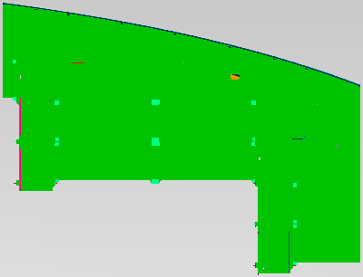
4375 - 666
(21.8x12.9)
4387-20B
(19.1X51)
4385-20Y
(98.2X51)
J21(16.7m)
8
10
12
14 |  |  |  |  |  |  |  |  |  |  |  |  |  |  |  |  |  |  |  |  |  |  |  |  |  |  |  |  |  |  |  |  |  |  |  |  |  |  |  |  |  |  |  |  |  |  |  |  |  |  |  |  |  |  |  |  |  |  |  |  |  |  |  |  |  |  |  |  |  |  |  |  |  |  |  |  |  |  |  |  |  |  |  |  |  |  |  | z
16
18
20
4386 - 183
(21.2X7.8)
22
24
26
28
12m 트레슬
30
J47(23m)
32
4386 - 193
(20.6X7.8)
34
36
38
40
42
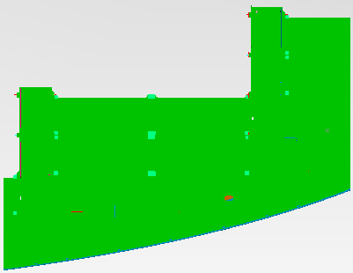
4375 - 676
(21.8x12.9)
44
46
48
50
52
54
56
58
60
62

 | 5/24~6/7

4374-20N
(16.8X61)
4374-20J
(16.8X61)
4374-20H
(16.8X61)
4374-20G
(16.8X61)
8m 트레슬
 | 2 | 4 | 6 | 8 | 10 | 12 | 14 | 16 | 18 | 20 | 22 | 24 | 26 | 28 | 30 | 32 | 34 | 36 | 38 | 40 | 42 | 44 | 46 | 48 | 50 | 52 | 54 | 56 | 58 | 60 | 62 | 64 | 66 | 68 | 70 | 72 | 74 | 76 | 78 | 80 | 82 | 84 | 86 | 88 | 90 | 92 | 94 | 96 | 98 | 100 | 102 | 104 | 106 | 108 | 110 | 112 | 114 | 116 | 118 | 120 | 122 | 124 | 126 | 128 | 130 | 132 | 134 | 136 | 138 | 140 | 142 | 144 | 146 | 148 | 150 | 152 | 154 | 156 | 158 | 160 | 162 | 164 | 166 | 168 | 170 | 172
2 |  |  |  |  |  |  |  |  |  |  |  |  |  |  |  |  |  |  |  |  |  |  |  |  |  |  |  |  |  |  |  |  |  |  |  |  |  |  |  |  |  |  |  |  |  |  |  |  |  |  |  |  |  |  |  |  |  |  |  |  |  |  |  |  |  |  |  |  |  |  |  |  |  |  |  |  |  |  |  |  |  |  |  |  |  |  | 4/17~4/26
4
4374-20K
(16.8X61)
10m 트레슬
6
J21(16.7m)
8
10
12
14
16
18
20
22
4385-20H
(37.4X51)
24
26
28
12m 트레슬
30
J47(23m)
32
34
36
38
40
42
44
46
48
50
52
54
56
58
60
62

 | 6/11~6/25

4375 - 643
(17x15)
4375-20Y
(102.2X61)
8m 트레슬
4375 - 646
(22x8.4)
 | 2 | 4 | 6 | 8 | 10 | 12 | 14 | 16 | 18 | 20 | 22 | 24 | 26 | 28 | 30 | 32 | 34 | 36 | 38 | 40 | 42 | 44 | 46 | 48 | 50 | 52 | 54 | 56 | 58 | 60 | 62 | 64 | 66 | 68 | 70 | 72 | 74 | 76 | 78 | 80 | 82 | 84 | 86 | 88 | 90 | 92 | 94 | 96 | 98 | 100 | 102 | 104 | 106 | 108 | 110 | 112 | 114 | 116 | 118 | 120 | 122 | 124 | 126 | 128 | 130 | 132 | 134 | 136 | 138 | 140 | 142 | 144 | 146 | 148 | 150 | 152 | 154 | 156 | 158 | 160 | 162 | 164 | 166 | 168 | 170 | 172
2 |  |  |  |  |  |  |  |  |  |  |  |  |  |  |  |  |  |  |  |  |  |  |  |  |  |  |  |  |  |  |  |  |  |  |  |  |  |  |  |  |  |  |  |  |  |  |  |  |  |  |  |  |  |  |  |  |  |  |  |  |  |  |  |  |  |  |  |  |  |  |  |  |  |  |  |  |  |  |  |  |  |  |  |  |  |  | 4/17~4/26
4
10m 트레슬
6
J21(16.7m)
8
10
12
14
16
18
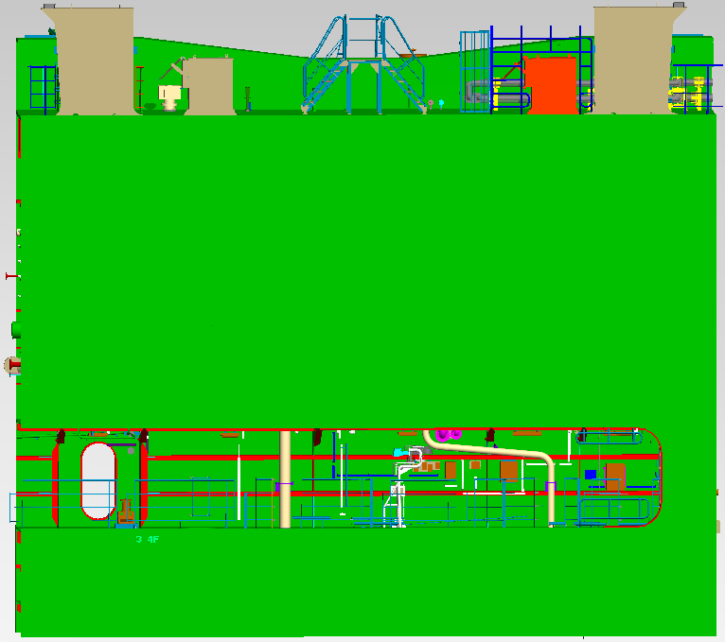
4375 - 653
(17x15)
20
22
4375 - 656
(22x8.4)
24
26
28
12m 트레슬
30
J47(23m)
32
34
36
38
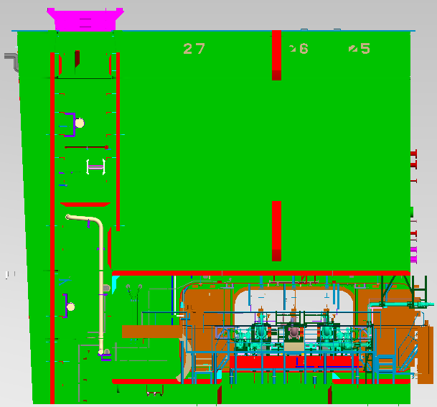
4375 - 642
(15.7x15)
40
4375 - 652
(15.7x15)
42
44
46
48
50
52
54
56
58
60
62

 | 6/26~7/10

4375-20K
(16.8X61)
4375-20J
(16.8X61)
4375-20H
(16.8X61)
4375-20G
(16.8X61)
8m 트레슬
 | 2 | 4 | 6 | 8 | 10 | 12 | 14 | 16 | 18 | 20 | 22 | 24 | 26 | 28 | 30 | 32 | 34 | 36 | 38 | 40 | 42 | 44 | 46 | 48 | 50 | 52 | 54 | 56 | 58 | 60 | 62 | 64 | 66 | 68 | 70 | 72 | 74 | 76 | 78 | 80 | 82 | 84 | 86 | 88 | 90 | 92 | 94 | 96 | 98 | 100 | 102 | 104 | 106 | 108 | 110 | 112 | 114 | 116 | 118 | 120 | 122 | 124 | 126 | 128 | 130 | 132 | 134 | 136 | 138 | 140 | 142 | 144 | 146 | 148 | 150 | 152 | 154 | 156 | 158 | 160 | 162 | 164 | 166 | 168 | 170 | 172
2 |  |  |  |  |  |  |  |  |  |  |  |  |  |  |  |  |  |  |  |  |  |  |  |  |  |  |  |  |  |  |  |  |  |  |  |  |  |  |  |  |  |  |  |  |  |  |  |  |  |  |  |  |  |  |  |  |  |  |  |  |  |  |  |  |  |  |  |  |  |  |  |  |  |  |  |  |  |  |  |  |  |  |  |  |  |  | 4/17~4/26
4
10m 트레슬
6
J21(16.7m)
8
10
12
14
16
18
20
22
4387-20H
(37.4X51)
24
26
28
12m 트레슬
30
J47(23m)
32
34
36
38
40
42
44
46
48
50
52
54
56
58
60
62

 | 7/10~7/24

4375-20N
(16.8X61)
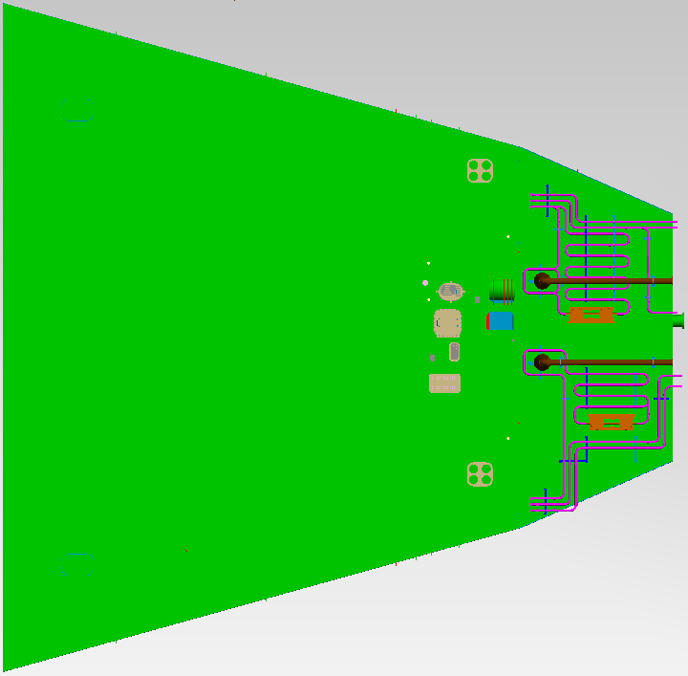
2532 - 212
(18.6x18.3)
8m 트레슬
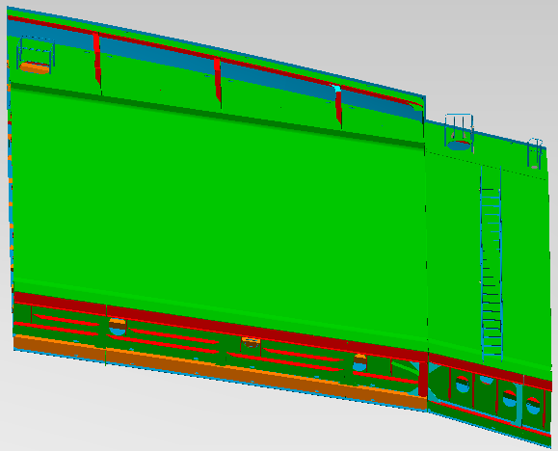
2534 - 282
(21.8x12.6)
 | 2 | 4 | 6 | 8 | 10 | 12 | 14 | 16 | 18 | 20 | 22 | 24 | 26 | 28 | 30 | 32 | 34 | 36 | 38 | 40 | 42 | 44 | 46 | 48 | 50 | 52 | 54 | 56 | 58 | 60 | 62 | 64 | 66 | 68 | 70 | 72 | 74 | 76 | 78 | 80 | 82 | 84 | 86 | 88 | 90 | 92 | 94 | 96 | 98 | 100 | 102 | 104 | 106 | 108 | 110 | 112 | 114 | 116 | 118 | 120 | 122 | 124 | 126 | 128 | 130 | 132 | 134 | 136 | 138 | 140 | 142 | 144 | 146 | 148 | 150 | 152 | 154 | 156 | 158 | 160 | 162 | 164 | 166 | 168 | 170 | 172
2 |  |  |  |  |  |  |  |  |  |  |  |  |  |  |  |  |  |  |  |  |  |  |  |  |  |  |  |  |  |  |  |  |  |  |  |  |  |  |  |  |  |  |  |  |  |  |  |  |  |  |  |  |  |  |  |  |  |  |  |  |  |  |  |  |  |  |  |  |  |  |  |  |  |  |  |  |  |  |  |  |  |  |  |  |  |  | 4/17~4/26
4
10m 트레슬
6
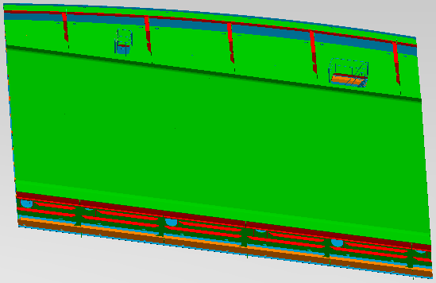
2534 - 281
(23.3x12.0)
J21(16.7m)
8
10
12
14
16

2534 - 237
(20.6x18.4)
18
2534 - 292
(21.8x12.6)
20
22
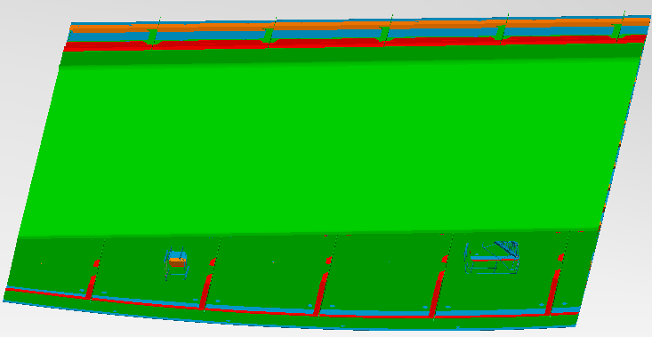
2534 - 291
(23.3x12.0)
24
26
28
12m 트레슬
30
J47(23m)
32
34
36
38

2534 - 227
(25.8x18.4)


40
42
44
46
48
50
52
54
56
58
60
62

 | 8/7~8/21

4376-20Y
(102.2X61)
8m 트레슬
 | 2 | 4 | 6 | 8 | 10 | 12 | 14 | 16 | 18 | 20 | 22 | 24 | 26 | 28 | 30 | 32 | 34 | 36 | 38 | 40 | 42 | 44 | 46 | 48 | 50 | 52 | 54 | 56 | 58 | 60 | 62 | 64 | 66 | 68 | 70 | 72 | 74 | 76 | 78 | 80 | 82 | 84 | 86 | 88 | 90 | 92 | 94 | 96 | 98 | 100 | 102 | 104 | 106 | 108 | 110 | 112 | 114 | 116 | 118 | 120 | 122 | 124 | 126 | 128 | 130 | 132 | 134 | 136 | 138 | 140 | 142 | 144 | 146 | 148 | 150 | 152 | 154 | 156 | 158 | 160 | 162 | 164 | 166 | 168 | 170 | 172
2 |  |  |  |  |  |  |  |  |  |  |  |  |  |  |  |  |  |  |  |  |  |  |  |  |  |  |  |  |  |  |  |  |  |  |  |  |  |  |  |  |  |  |  |  |  |  |  |  |  |  |  |  |  |  |  |  |  |  |  |  |  |  |  |  |  |  |  |  |  |  |  |  |  |  |  |  |  |  |  |  |  |  |  |  |  |  | 4/17~4/26
4
10m 트레슬
6
J21(16.7m)
8
10
12
14
16
18
20
22
24
26
28
12m 트레슬
30
J47(23m)
32
34
36
38
40
42
44
46
48
50
52
54
56
58
60
62

 | 8/22~9/5

4376-20N
(16.8X61)
4376-20L
(31X61)
4376-20K
(16.8X61)
4376-20J
(16.8X61)
4376-20H
(16.8X61)
4376-20G
(16.8X61)
8m 트레슬
 | 2 | 4 | 6 | 8 | 10 | 12 | 14 | 16 | 18 | 20 | 22 | 24 | 26 | 28 | 30 | 32 | 34 | 36 | 38 | 40 | 42 | 44 | 46 | 48 | 50 | 52 | 54 | 56 | 58 | 60 | 62 | 64 | 66 | 68 | 70 | 72 | 74 | 76 | 78 | 80 | 82 | 84 | 86 | 88 | 90 | 92 | 94 | 96 | 98 | 100 | 102 | 104 | 106 | 108 | 110 | 112 | 114 | 116 | 118 | 120 | 122 | 124 | 126 | 128 | 130 | 132 | 134 | 136 | 138 | 140 | 142 | 144 | 146 | 148 | 150 | 152 | 154 | 156 | 158 | 160 | 162 | 164 | 166 | 168 | 170 | 172
2 |  |  |  |  |  |  |  |  |  |  |  |  |  |  |  |  |  |  |  |  |  |  |  |  |  |  |  |  |  |  |  |  |  |  |  |  |  |  |  |  |  |  |  |  |  |  |  |  |  |  |  |  |  |  |  |  |  |  |  |  |  |  |  |  |  |  |  |  |  |  |  |  |  |  |  |  |  |  |  |  |  |  |  |  |  |  | 4/17~4/26
4
10m 트레슬
6
J21(16.7m)
8
10
12
14
16
18
20
22
24
26
28
12m 트레슬
30
J47(23m)
32
34
36
38
40
42
44
46
48
50
52
54
56
58
60
62

 | 9/8~9/22

4377-20G
(16.8X61)
4377-20H
(16.8X61)
4377-20Y
(102.2X61)
8m 트레슬
 | 2 | 4 | 6 | 8 | 10 | 12 | 14 | 16 | 18 | 20 | 22 | 24 | 26 | 28 | 30 | 32 | 34 | 36 | 38 | 40 | 42 | 44 | 46 | 48 | 50 | 52 | 54 | 56 | 58 | 60 | 62 | 64 | 66 | 68 | 70 | 72 | 74 | 76 | 78 | 80 | 82 | 84 | 86 | 88 | 90 | 92 | 94 | 96 | 98 | 100 | 102 | 104 | 106 | 108 | 110 | 112 | 114 | 116 | 118 | 120 | 122 | 124 | 126 | 128 | 130 | 132 | 134 | 136 | 138 | 140 | 142 | 144 | 146 | 148 | 150 | 152 | 154 | 156 | 158 | 160 | 162 | 164 | 166 | 168 | 170 | 172
2
4
10m 트레슬
6
J21(16.7m)
8
10
12
14
16
18
20
22
24
26
28
12m 트레슬
30
J47(23m)
32
34
36
38
40
42
44
46
48
50
52
54
56
58
60
62

 | 10/18~11/1

4377-20p
(20.6X61)
4377-20N
(16.8X61)
4377-20L
(31X61)
8m 트레슬
 | 2 | 4 | 6 | 8 | 10 | 12 | 14 | 16 | 18 | 20 | 22 | 24 | 26 | 28 | 30 | 32 | 34 | 36 | 38 | 40 | 42 | 44 | 46 | 48 | 50 | 52 | 54 | 56 | 58 | 60 | 62 | 64 | 66 | 68 | 70 | 72 | 74 | 76 | 78 | 80 | 82 | 84 | 86 | 88 | 90 | 92 | 94 | 96 | 98 | 100 | 102 | 104 | 106 | 108 | 110 | 112 | 114 | 116 | 118 | 120 | 122 | 124 | 126 | 128 | 130 | 132 | 134 | 136 | 138 | 140 | 142 | 144 | 146 | 148 | 150 | 152 | 154 | 156 | 158 | 160 | 162 | 164 | 166 | 168 | 170 | 172
2
4
10m 트레슬
6
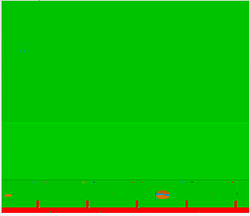
2563 - 232
(17.6x20.6)
J21(16.7m)
8
10

2563 - 221
(25.9x15.8)
12
14
3307-20A
(20.3X20.2)
16
18
20
22
24
26

2563 - 222
(17.6x20.6)

2563 - 231
(20.8x15.8)
28
12m 트레슬
30
J47(23m)
32
34
36
38
40
42
44
46
48
3307-25A
(51.5X9.8)
50
52
54
56
58
60
62

 | 11/8~11/22

2535 21D
(20.5X45)
2567 22D
(18.3X36.5)
8m 트레슬
 | 2 | 4 | 6 | 8 | 10 | 12 | 14 | 16 | 18 | 20 | 22 | 24 | 26 | 28 | 30 | 32 | 34 | 36 | 38 | 40 | 42 | 44 | 46 | 48 | 50 | 52 | 54 | 56 | 58 | 60 | 62 | 64 | 66 | 68 | 70 | 72 | 74 | 76 | 78 | 80 | 82 | 84 | 86 | 88 | 90 | 92 | 94 | 96 | 98 | 100 | 102 | 104 | 106 | 108 | 110 | 112 | 114 | 116 | 118 | 120 | 122 | 124 | 126 | 128 | 130 | 132 | 134 | 136 | 138 | 140 | 142 | 144 | 146 | 148 | 150 | 152 | 154 | 156 | 158 | 160 | 162 | 164 | 166 | 168 | 170 | 172
2 |  |  |  |  |  |  |  |  |  |  |  |  |  |  |  |  |  |  |  |  |  |  |  |  |  |  |  |  |  |  |  |  |  |  |  |  |  |  |  |  |  |  |  |  |  |  |  |  |  |  |  |  |  |  |  |  |  |  |  |  |  |  |  |  |  |  |  |  |  |  |  |  |  |  |  |  |  |  |  |  |  |  |  |  |  |  | 4/17~4/26
4
2535 40D
(41X29.6)
10m 트레슬
6
J21(16.7m)
8
10
12
14
16
18
20
2567 21D
(20.5X45)
22

2563 - 239
(25.8x15.1)
2563 - 225
(25.8x18.4)
24
26
28
12m 트레슬
30
J47(23m)
32
34
36

2563 - 229
(20.7x15.1)
2563 - 235
(20.6x18.4)
38
40
2563 - 223
(25.8x19.2)
2535 22D
(18.3X36.5)
42
2563 - 233
(20.7x19.2)
44
46
48
50
52
54
56
58
60
62

 | 12/6~12/20

8m 트레슬
 | 2 | 4 | 6 | 8 | 10 | 12 | 14 | 16 | 18 | 20 | 22 | 24 | 26 | 28 | 30 | 32 | 34 | 36 | 38 | 40 | 42 | 44 | 46 | 48 | 50 | 52 | 54 | 56 | 58 | 60 | 62 | 64 | 66 | 68 | 70 | 72 | 74 | 76 | 78 | 80 | 82 | 84 | 86 | 88 | 90 | 92 | 94 | 96 | 98 | 100 | 102 | 104 | 106 | 108 | 110 | 112 | 114 | 116 | 118 | 120 | 122 | 124 | 126 | 128 | 130 | 132 | 134 | 136 | 138 | 140 | 142 | 144 | 146 | 148 | 150 | 152 | 154 | 156 | 158 | 160 | 162 | 164 | 166 | 168 | 170 | 172
2 |  |  |  |  |  |  |  |  |  |  |  |  |  |  |  |  |  |  |  |  |  |  |  |  |  |  |  |  |  |  |  |  |  |  |  |  |  |  |  |  |  |  |  |  |  |  |  |  |  |  |  |  |  |  |  |  |  |  |  |  |  |  |  |  |  |  |  |  |  |  |  |  |  |  |  |  |  |  |  |  |  |  |  |  |  |  | 4/17~4/26
4
4388 20Y
(98.2X51)
10m 트레슬
6
J21(16.7m)
8
10
12
4388-20H
(34.8X51)
14
16
18
20
22
24
26
28
12m 트레슬
30
J47(23m)
32
34
36
38
40
42
44
46
48
50
52
54
56
58
60
62

 | 12/21~1/7

2564 22D
(18.3X36.5)
2543 22D
(18.3X36.5)
8m 트레슬
 | 2 | 4 | 6 | 8 | 10 | 12 | 14 | 16 | 18 | 20 | 22 | 24 | 26 | 28 | 30 | 32 | 34 | 36 | 38 | 40 | 42 | 44 | 46 | 48 | 50 | 52 | 54 | 56 | 58 | 60 | 62 | 64 | 66 | 68 | 70 | 72 | 74 | 76 | 78 | 80 | 82 | 84 | 86 | 88 | 90 | 92 | 94 | 96 | 98 | 100 | 102 | 104 | 106 | 108 | 110 | 112 | 114 | 116 | 118 | 120 | 122 | 124 | 126 | 128 | 130 | 132 | 134 | 136 | 138 | 140 | 142 | 144 | 146 | 148 | 150 | 152 | 154 | 156 | 158 | 160 | 162 | 164 | 166 | 168 | 170 | 172
2 |  |  |  |  |  |  |  |  |  |  |  |  |  |  |  |  |  |  |  |  |  |  |  |  |  |  |  |  |  |  |  |  |  |  |  |  |  |  |  |  |  |  |  |  |  |  |  |  |  |  |  |  |  |  |  |  |  |  |  |  |  |  |  |  |  |  |  |  |  |  |  |  |  |  |  |  |  |  |  |  |  |  |  |  |  |  | 4/17~4/26
4
10m 트레슬
6
2543 21D
(20.5X45)
J21(16.7m)
8
10
12
14
16
18
20
2564 21D
(20.5X45)
22
2564 40D
(41X29.6)
24
26
28
12m 트레슬
30
J47(23m)
32
2563 21D
(20.5X45)
34
36
38
40
42
2563 22D
(18.3X36.5)
44
46
48
50
52
54
56
58
60
62

 | 1/12~1/27

8m 트레슬
 | 2 | 4 | 6 | 8 | 10 | 12 | 14 | 16 | 18 | 20 | 22 | 24 | 26 | 28 | 30 | 32 | 34 | 36 | 38 | 40 | 42 | 44 | 46 | 48 | 50 | 52 | 54 | 56 | 58 | 60 | 62 | 64 | 66 | 68 | 70 | 72 | 74 | 76 | 78 | 80 | 82 | 84 | 86 | 88 | 90 | 92 | 94 | 96 | 98 | 100 | 102 | 104 | 106 | 108 | 110 | 112 | 114 | 116 | 118 | 120 | 122 | 124 | 126 | 128 | 130 | 132 | 134 | 136 | 138 | 140 | 142 | 144 | 146 | 148 | 150 | 152 | 154 | 156 | 158 | 160 | 162 | 164 | 166 | 168 | 170 | 172
2 |  |  |  |  |  |  |  |  |  |  |  |  |  |  |  |  |  |  |  |  |  |  |  |  |  |  |  |  |  |  |  |  |  |  |  |  |  |  |  |  |  |  |  |  |  |  |  |  |  |  |  |  |  |  |  |  |  |  |  |  |  |  |  |  |  |  |  |  |  |  |  |  |  |  |  |  |  |  |  |  |  |  |  |  |  |  | 4/17~4/26
4
4389 20Y
(98.2X51)
10m 트레슬
6
J21(16.7m)
8
10
12
4389-20H
(34.8X51)
14
16
18
20
22
24
26
28
12m 트레슬
30
J47(23m)
32
34
36
38
40
42
44
46
48
50
52
54
56
58
60
62

 | 2/4~2/18

8m 트레슬
 | 2 | 4 | 6 | 8 | 10 | 12 | 14 | 16 | 18 | 20 | 22 | 24 | 26 | 28 | 30 | 32 | 34 | 36 | 38 | 40 | 42 | 44 | 46 | 48 | 50 | 52 | 54 | 56 | 58 | 60 | 62 | 64 | 66 | 68 | 70 | 72 | 74 | 76 | 78 | 80 | 82 | 84 | 86 | 88 | 90 | 92 | 94 | 96 | 98 | 100 | 102 | 104 | 106 | 108 | 110 | 112 | 114 | 116 | 118 | 120 | 122 | 124 | 126 | 128 | 130 | 132 | 134 | 136 | 138 | 140 | 142 | 144 | 146 | 148 | 150 | 152 | 154 | 156 | 158 | 160 | 162 | 164 | 166 | 168 | 170 | 172
2 |  |  |  |  |  |  |  |  |  |  |  |  |  |  |  |  |  |  |  |  |  |  |  |  |  |  |  |  |  |  |  |  |  |  |  |  |  |  |  |  |  |  |  |  |  |  |  |  |  |  |  |  |  |  |  |  |  |  |  |  |  |  |  |  |  |  |  |  |  |  |  |  |  |  |  |  |  |  |  |  |  |  |  |  |  |  | 4/17~4/26
4
4390 20Y
(98.2X51)
10m 트레슬
6
J21(16.7m)
8
10
12
14
16
18
4390-20H
(34.8X51)
20
22
24
26
28
12m 트레슬
30
J47(23m)
32
34
36
38
40
42
44
46
48
50
52
54
56
58
60
62

 | 2/23~3/9

8m 트레슬
 | 2 | 4 | 6 | 8 | 10 | 12 | 14 | 16 | 18 | 20 | 22 | 24 | 26 | 28 | 30 | 32 | 34 | 36 | 38 | 40 | 42 | 44 | 46 | 48 | 50 | 52 | 54 | 56 | 58 | 60 | 62 | 64 | 66 | 68 | 70 | 72 | 74 | 76 | 78 | 80 | 82 | 84 | 86 | 88 | 90 | 92 | 94 | 96 | 98 | 100 | 102 | 104 | 106 | 108 | 110 | 112 | 114 | 116 | 118 | 120 | 122 | 124 | 126 | 128 | 130 | 132 | 134 | 136 | 138 | 140 | 142 | 144 | 146 | 148 | 150 | 152 | 154 | 156 | 158 | 160 | 162 | 164 | 166 | 168 | 170 | 172
2 |  |  |  |  |  |  |  |  |  |  |  |  |  |  |  |  |  |  |  |  |  |  |  |  |  |  |  |  |  |  |  |  |  |  |  |  |  |  |  |  |  |  |  |  |  |  |  |  |  |  |  |  |  |  |  |  |  |  |  |  |  |  |  |  |  |  |  |  |  |  |  |  |  |  |  |  |  |  |  |  |  |  |  |  |  |  | 4/17~4/26
4
4391 20Y
(98.2X51)
10m 트레슬
6
J21(16.7m)
8
10
4391-20H
(34.8X51)
12
14
16
18
20
22
24
26
28
12m 트레슬
30
J47(23m)
32
34
36
38
40
42
44
46
48
50
52
54
56
58
60
62

 | 3/12~3/26

8m 트레슬
 | 2 | 4 | 6 | 8 | 10 | 12 | 14 | 16 | 18 | 20 | 22 | 24 | 26 | 28 | 30 | 32 | 34 | 36 | 38 | 40 | 42 | 44 | 46 | 48 | 50 | 52 | 54 | 56 | 58 | 60 | 62 | 64 | 66 | 68 | 70 | 72 | 74 | 76 | 78 | 80 | 82 | 84 | 86 | 88 | 90 | 92 | 94 | 96 | 98 | 100 | 102 | 104 | 106 | 108 | 110 | 112 | 114 | 116 | 118 | 120 | 122 | 124 | 126 | 128 | 130 | 132 | 134 | 136 | 138 | 140 | 142 | 144 | 146 | 148 | 150 | 152 | 154 | 156 | 158 | 160 | 162 | 164 | 166 | 168 | 170 | 172
2 |  |  |  |  |  |  |  |  |  |  |  |  |  |  |  |  |  |  |  |  |  |  |  |  |  |  |  |  |  |  |  |  |  |  |  |  |  |  |  |  |  |  |  |  |  |  |  |  |  |  |  |  |  |  |  |  |  |  |  |  |  |  |  |  |  |  |  |  |  |  |  |  |  |  |  |  |  |  |  |  |  |  |  |  |  |  | 4/17~4/26
4
10m 트레슬
6
J21(16.7m)
8
2570 20Y
(107.5X46.4)
10
12
14
16
18
20
22
24
26
28
12m 트레슬
30
J47(23m)
32
34
36
38
40
42
44
46
48
50
52
54
56
58
60
62

 | 4/3~4/17

8m 트레슬
 | 2 | 4 | 6 | 8 | 10 | 12 | 14 | 16 | 18 | 20 | 22 | 24 | 26 | 28 | 30 | 32 | 34 | 36 | 38 | 40 | 42 | 44 | 46 | 48 | 50 | 52 | 54 | 56 | 58 | 60 | 62 | 64 | 66 | 68 | 70 | 72 | 74 | 76 | 78 | 80 | 82 | 84 | 86 | 88 | 90 | 92 | 94 | 96 | 98 | 100 | 102 | 104 | 106 | 108 | 110 | 112 | 114 | 116 | 118 | 120 | 122 | 124 | 126 | 128 | 130 | 132 | 134 | 136 | 138 | 140 | 142 | 144 | 146 | 148 | 150 | 152 | 154 | 156 | 158 | 160 | 162 | 164 | 166 | 168 | 170 | 172
2 |  |  |  |  |  |  |  |  |  |  |  |  |  |  |  |  |  |  |  |  |  |  |  |  |  |  |  |  |  |  |  |  |  |  |  |  |  |  |  |  |  |  |  |  |  |  |  |  |  |  |  |  |  |  |  |  |  |  |  |  |  |  |  |  |  |  |  |  |  |  |  |  |  |  |  |  |  |  |  |  |  |  |  |  |  |  | 4/17~4/26
4
4392 20Y
(98.2X51)
10m 트레슬
6
J21(16.7m)
8
10
12
4392-20H
(34.8X51)
14
16
18
20
22
24
26
28
12m 트레슬
30
J47(23m)
32
34
36
38
40
42
44
46
48
50
52
54
56
58
60
62

 | 4/19~5/3

8m 트레슬
 | 2 | 4 | 6 | 8 | 10 | 12 | 14 | 16 | 18 | 20 | 22 | 24 | 26 | 28 | 30 | 32 | 34 | 36 | 38 | 40 | 42 | 44 | 46 | 48 | 50 | 52 | 54 | 56 | 58 | 60 | 62 | 64 | 66 | 68 | 70 | 72 | 74 | 76 | 78 | 80 | 82 | 84 | 86 | 88 | 90 | 92 | 94 | 96 | 98 | 100 | 102 | 104 | 106 | 108 | 110 | 112 | 114 | 116 | 118 | 120 | 122 | 124 | 126 | 128 | 130 | 132 | 134 | 136 | 138 | 140 | 142 | 144 | 146 | 148 | 150 | 152 | 154 | 156 | 158 | 160 | 162 | 164 | 166 | 168 | 170 | 172
2 |  |  |  |  |  |  |  |  |  |  |  |  |  |  |  |  |  |  |  |  |  |  |  |  |  |  |  |  |  |  |  |  |  |  |  |  |  |  |  |  |  |  |  |  |  |  |  |  |  |  |  |  |  |  |  |  |  |  |  |  |  |  |  |  |  |  |  |  |  |  |  |  |  |  |  |  |  |  |  |  |  |  |  |  |  |  | 4/17~4/26
4
4393 20Y
(98.2X51)
10m 트레슬
6
J21(16.7m)
8
10
12
4393-20H
(34.8X51)
14
16
18
20
22
24
26
28
12m 트레슬
30
J47(23m)
32
34
36
38
40
42
44
46
48
50
52
54
56
58
60
62

 | 4/24~5/9

8m 트레슬
 | 2 | 4 | 6 | 8 | 10 | 12 | 14 | 16 | 18 | 20 | 22 | 24 | 26 | 28 | 30 | 32 | 34 | 36 | 38 | 40 | 42 | 44 | 46 | 48 | 50 | 52 | 54 | 56 | 58 | 60 | 62 | 64 | 66 | 68 | 70 | 72 | 74 | 76 | 78 | 80 | 82 | 84 | 86 | 88 | 90 | 92 | 94 | 96 | 98 | 100 | 102 | 104 | 106 | 108 | 110 | 112 | 114 | 116 | 118 | 120 | 122 | 124 | 126 | 128 | 130 | 132 | 134 | 136 | 138 | 140 | 142 | 144 | 146 | 148 | 150 | 152 | 154 | 156 | 158 | 160 | 162 | 164 | 166 | 168 | 170 | 172
2 |  |  |  |  |  |  |  |  |  |  |  |  |  |  |  |  |  |  |  |  |  |  |  |  |  |  |  |  |  |  |  |  |  |  |  |  |  |  |  |  |  |  |  |  |  |  |  |  |  |  |  |  |  |  |  |  |  |  |  |  |  |  |  |  |  |  |  |  |  |  |  |  |  |  |  |  |  |  |  |  |  |  |  |  |  |  | 4/17~4/26
4
10m 트레슬
6
2551 20Y
(107.5X46.4)
J21(16.7m)
8
10
12
14
16
18
20
22
24
26
28
12m 트레슬
30
J47(23m)
32
34
36
38
40
42
44
46
48
50
52
54
56
58
60
62

 | 6/5~6/19

8m 트레슬
 | 2 | 4 | 6 | 8 | 10 | 12 | 14 | 16 | 18 | 20 | 22 | 24 | 26 | 28 | 30 | 32 | 34 | 36 | 38 | 40 | 42 | 44 | 46 | 48 | 50 | 52 | 54 | 56 | 58 | 60 | 62 | 64 | 66 | 68 | 70 | 72 | 74 | 76 | 78 | 80 | 82 | 84 | 86 | 88 | 90 | 92 | 94 | 96 | 98 | 100 | 102 | 104 | 106 | 108 | 110 | 112 | 114 | 116 | 118 | 120 | 122 | 124 | 126 | 128 | 130 | 132 | 134 | 136 | 138 | 140 | 142 | 144 | 146 | 148 | 150 | 152 | 154 | 156 | 158 | 160 | 162 | 164 | 166 | 168 | 170 | 172
2 |  |  |  |  |  |  |  |  |  |  |  |  |  |  |  |  |  |  |  |  |  |  |  |  |  |  |  |  |  |  |  |  |  |  |  |  |  |  |  |  |  |  |  |  |  |  |  |  |  |  |  |  |  |  |  |  |  |  |  |  |  |  |  |  |  |  |  |  |  |  |  |  |  |  |  |  |  |  |  |  |  |  |  |  |  |  | 4/17~4/26
4
10m 트레슬
6
J21(16.7m)
8
10
12
14
16
18
20
22
24
26
28
12m 트레슬
30
32
34
36
38
40
42
44
46
48
50
52
54
56
58
60
62

자항선2
대외비 2

 | 3/29~4/7 |  |  |  |  |  |  |  |  |  |  | 83x33
 | 2 | 4 | 6 | 8 | 10 | 12 | 14 | 16 | 18 | 20 | 22 | 24 | 26 | 28 | 30 | 32 | 34 | 36 | 38 | 40 | 42 | 44 | 46 | 48 | 50 | 52 | 54 | 56 | 58 | 60 | 62 | 64 | 66 | 68 | 70 | 72 | 74 | 76 | 78 | 80 | 82 | 84 | 아무것도 없어도 선수 최소 5m는 띄워야함 3000톤 이상은 위험하다 선수 최소 2m 확보 : 구매8 폭은 36m지만 다리빨 기준으로 33m 확보 선미 윈치 2개 10m 선미에 철판 까는데 3~4m 필요 pe는 3m~5m 요구
2
10m 트레슬
J21(16.7m)
12m 트레슬
8m 트레슬
J47(23m)
4
6
4384-20K
(19.1X51)
8
10
12
14
16
18
20
22
24
26
28
30
32
34
36
.
 | 4/17~4/26
 | 2 | 4 | 6 | 8 | 10 | 12 | 14 | 16 | 18 | 20 | 22 | 24 | 26 | 28 | 30 | 32 | 34 | 36 | 38 | 40 | 42 | 44 | 46 | 48 | 50 | 52 | 54 | 56 | 58 | 60 | 62 | 64 | 66 | 68 | 70 | 72 | 74 | 76 | 78 | 80 | 82 | 84
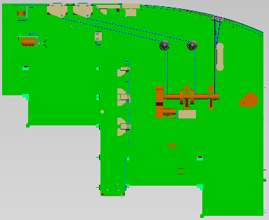
4385 - 644
(21.8x18)
4385 - 653
(21.9x8.5)
8m 트레슬
2
4383-169
(21.8X13.1)
4 |  |  |  |  |  |  |  |  |  |  |  |  |  |  |  |  |  |  |  |  |  |  |  |  |  |  |  |  |  |  |  |  |  |  |  |  |  |  |  |  |  |  | 블록간 간격은 1m도 됨
10m 트레슬
6
J21(16.7m)
8
10
12m 트레슬
12
J47(23m)
14
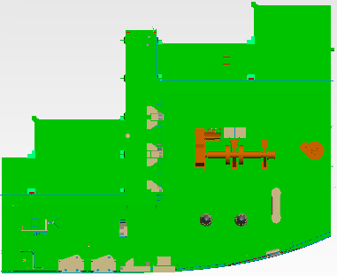
4385 - 654
(21.8x18)
16
18
4383-179
(21.8X13.1)
20
22
4385 - 643
(21.9x8.5)
24
26
28
30
32
34
36

8m 트레슬
 | 4/29~5/5
 | 2 | 4 | 6 | 8 | 10 | 12 | 14 | 16 | 18 | 20 | 22 | 24 | 26 | 28 | 30 | 32 | 34 | 36 | 38 | 40 | 42 | 44 | 46 | 48 | 50 | 52 | 54 | 56 | 58 | 60 | 62 | 64 | 66 | 68 | 70 | 72 | 74 | 76 | 78 | 80 | 82 | 84
2
10m 트레슬
4
6
J21(16.7m)
8
4386-20E
(19.1X51)
10
12m 트레슬
12
J47(23m)
14
16
18
20
22
24
26
28
30
32
34
36

8m 트레슬
 | 5/11~5/20
 | 2 | 4 | 6 | 8 | 10 | 12 | 14 | 16 | 18 | 20 | 22 | 24 | 26 | 28 | 30 | 32 | 34 | 36 | 38 | 40 | 42 | 44 | 46 | 48 | 50 | 52 | 54 | 56 | 58 | 60 | 62 | 64 | 66 | 68 | 70 | 72 | 74 | 76 | 78 | 80 | 82 | 84
2
4
10m 트레슬
6
J21(16.7m)
8
4374 - 653
(17x15)
4387-20C
(18.5X51)
10
12m 트레슬
12
J47(23m)
14
16
18
20
22
24
26
28
30
32
34
36

 | 2 | 4 | 6 | 8 | 10 | 12 | 14 | 16 | 18 | 20 | 22 | 24 | 26 | 28 | 30 | 32 | 34 | 36 | 38 | 40 | 42 | 44 | 46 | 48 | 50 | 52 | 54 | 56 | 58 | 60 | 62 | 64 | 66 | 68 | 70 | 72 | 74 | 76 | 78 | 80 | 82 | 84
2
4
6
8
10
12
14
16
18
20
22
24
26
28
30
32
34
36

8m 트레슬
 | 6/2~6/11
 | 2 | 4 | 6 | 8 | 10 | 12 | 14 | 16 | 18 | 20 | 22 | 24 | 26 | 28 | 30 | 32 | 34 | 36 | 38 | 40 | 42 | 44 | 46 | 48 | 50 | 52 | 54 | 56 | 58 | 60 | 62 | 64 | 66 | 68 | 70 | 72 | 74 | 76 | 78 | 80 | 82 | 84
2
4374-20L
(31X61)
4
10m 트레슬
6
J21(16.7m)
8
10
12m 트레슬
12
J47(23m)
14
16
18
20
22
24
26
28
30
32
34
36

 | 6/13~6/22
 | 2 | 4 | 6 | 8 | 10 | 12 | 14 | 16 | 18 | 20 | 22 | 24 | 26 | 28 | 30 | 32 | 34 | 36 | 38 | 40 | 42 | 44 | 46 | 48 | 50 | 52 | 54 | 56 | 58 | 60 | 62 | 64 | 66 | 68 | 70 | 72 | 74 | 76 | 78 | 80 | 82 | 84
2
4
4387-20D
(20.7X51)
6
8
10
12
14
16
18
20
22
24
26
28
30
32
34
36

8m 트레슬
 | 7/3~7/12
 | 2 | 4 | 6 | 8 | 10 | 12 | 14 | 16 | 18 | 20 | 22 | 24 | 26 | 28 | 30 | 32 | 34 | 36 | 38 | 40 | 42 | 44 | 46 | 48 | 50 | 52 | 54 | 56 | 58 | 60 | 62 | 64 | 66 | 68 | 70 | 72 | 74 | 76 | 78 | 80 | 82 | 84
2
2534 - 239
(25.8x15.1)
10m 트레슬
4
6
4387-20E
(19.1X51)0
J21(16.7m)
8
10
12m 트레슬
12
J47(23m)
14
16
18
2534 - 229
(20.7x15.1)
20
22
24
26
28
30
32
34
36

8m 트레슬
 | 8/10~8/19
 | 2 | 4 | 6 | 8 | 10 | 12 | 14 | 16 | 18 | 20 | 22 | 24 | 26 | 28 | 30 | 32 | 34 | 36 | 38 | 40 | 42 | 44 | 46 | 48 | 50 | 52 | 54 | 56 | 58 | 60 | 62 | 64 | 66 | 68 | 70 | 72 | 74 | 76 | 78 | 80 | 82 | 84
2
4
10m 트레슬
6
J21(16.7m)
8
10
12m 트레슬
12
J47(23m)
14
16
18
20
22
24
26
28
30
32
34
36

2534-66B
(16.1X52)
8m 트레슬
 | 8/22~8/31
 | 2 | 4 | 6 | 8 | 10 | 12 | 14 | 16 | 18 | 20 | 22 | 24 | 26 | 28 | 30 | 32 | 34 | 36 | 38 | 40 | 42 | 44 | 46 | 48 | 50 | 52 | 54 | 56 | 58 | 60 | 62 | 64 | 66 | 68 | 70 | 72 | 74 | 76 | 78 | 80 | 82 | 84
2
4
10m 트레슬
6
J21(16.7m)
8
10
12m 트레슬
12
J47(23m)
14
16
18
2534-67B
(16.1X52)
20
22
24
26
28
30
32
34
36


8m 트레슬
 | 9/10~9/19
 | 2 | 4 | 6 | 8 | 10 | 12 | 14 | 16 | 18 | 20 | 22 | 24 | 26 | 28 | 30 | 32 | 34 | 36 | 38 | 40 | 42 | 44 | 46 | 48 | 50 | 52 | 54 | 56 | 58 | 60 | 62 | 64 | 66 | 68 | 70 | 72 | 74 | 76 | 78 | 80 | 82 | 84
2
4
10m 트레슬
6
J21(16.7m)
8
10
12m 트레슬
12
J47(23m)
14
16
18
20
22
24
26
28
30
32
34
36

8m 트레슬
 | 9/20~9/29
 | 2 | 4 | 6 | 8 | 10 | 12 | 14 | 16 | 18 | 20 | 22 | 24 | 26 | 28 | 30 | 32 | 34 | 36 | 38 | 40 | 42 | 44 | 46 | 48 | 50 | 52 | 54 | 56 | 58 | 60 | 62 | 64 | 66 | 68 | 70 | 72 | 74 | 76 | 78 | 80 | 82 | 84
2
4
10m 트레슬
6
J21(16.7m)
8
10
12m 트레슬
12
J47(23m)
14
16
18
20
22
24
26
28
30
32
34
36

8m 트레슬
 | 9/20~9/29
 | 2 | 4 | 6 | 8 | 10 | 12 | 14 | 16 | 18 | 20 | 22 | 24 | 26 | 28 | 30 | 32 | 34 | 36 | 38 | 40 | 42 | 44 | 46 | 48 | 50 | 52 | 54 | 56 | 58 | 60 | 62 | 64 | 66 | 68 | 70 | 72 | 74 | 76 | 78 | 80 | 82 | 84
2
4
10m 트레슬
6
J21(16.7m)
8
10
12m 트레슬
12
J47(23m)
14
16
18
20
22
24
26
28
30
32
34
36

자항선3
대외비 2
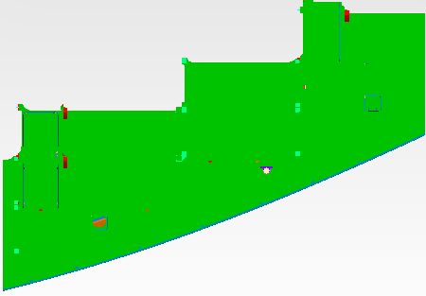
4385 - 693
(21.9x15.2)

4383 - 642
(20.8x15.5)
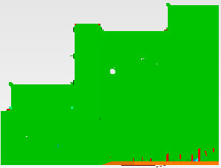
4383 - 652
(20.8x15.5)
 | 4/9~4/21
 | 2 | 4 | 6 | 8 | 10 | 12 | 14 | 16 | 18 | 20 | 22 | 24 | 26 | 28 | 30 | 32 | 34 | 36 | 38 | 40 | 42 | 44 | 46 | 48 | 50 | 52 | 54 | 56 | 58 | 60 | 62 | 64 | 66 | 68 | 70 | 72 | 74 | 76 | 78 | 80 | 82 | 84 | 86 | 88 | 90 | 92 | 94 | 96 | 98 | 100 | 102 | 104 | 106 | 108 | 110 | 112 | 114 | 116 | 118 | 120
2
10m 트레슬
J21(16.7m)
12m 트레슬
8m 트레슬
J47(23m)
4
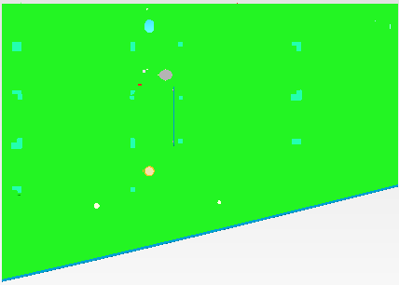
4385 - 252
(20.6x14.4)
6
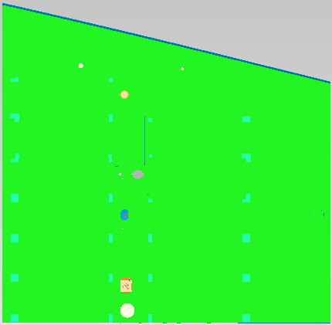
4385 - 242
(20.6x20.0)
8
10
12
14
16
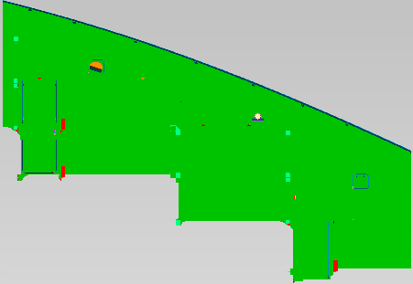
4385 - 683
(21.9x15.2)
18
20
4385 - 642
(20.7x9.3)
4385 - 652
(20.7x9.3)
22
24
26
28
30
32

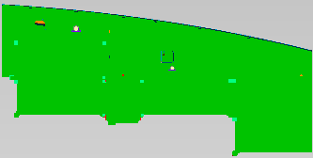
4385 - 682
(20.7x10.1)
 | 4/22~5/6
 | 2 | 4 | 6 | 8 | 10 | 12 | 14 | 16 | 18 | 20 | 22 | 24 | 26 | 28 | 30 | 32 | 34 | 36 | 38 | 40 | 42 | 44 | 46 | 48 | 50 | 52 | 54 | 56 | 58 | 60 | 62 | 64 | 66 | 68 | 70 | 72 | 74 | 76 | 78 | 80 | 82 | 84 | 86 | 88 | 90 | 92 | 94 | 96 | 98 | 100 | 102 | 104 | 106 | 108 | 110 | 112 | 114 | 116 | 118 | 120
2
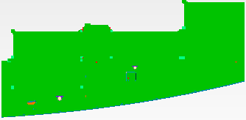
4385 - 692
(20.7x10.1)
4
10m 트레슬
J21(16.7m)
12m 트레슬
8m 트레슬
J47(23m)
6
4383-20H
(21.8X51)
8
10
12
14
16
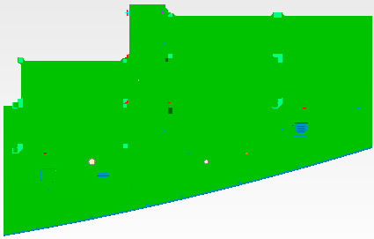
4385 - 292
(20.6x12.8)
18
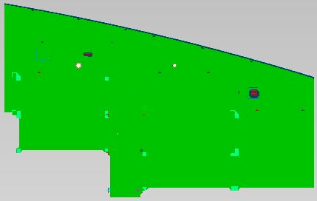
4385 - 282
(20.6x12.8)
20
22
24
26
28
30
32

 | 5/7~5/21
 | 2 | 4 | 6 | 8 | 10 | 12 | 14 | 16 | 18 | 20 | 22 | 24 | 26 | 28 | 30 | 32 | 34 | 36 | 38 | 40 | 42 | 44 | 46 | 48 | 50 | 52 | 54 | 56 | 58 | 60 | 62 | 64 | 66 | 68 | 70 | 72 | 74 | 76 | 78 | 80 | 82 | 84 | 86 | 88 | 90 | 92 | 94 | 96 | 98 | 100 | 102 | 104 | 106 | 108 | 110 | 112 | 114 | 116 | 118 | 120
2
4
4386-20G
(18.7X51)
4386-20F
(18.5X51)
6
10m 트레슬
J21(16.7m)
12m 트레슬
8m 트레슬
J47(23m)
8
10
12
14
16
18
20
22
24
26
28
30
32

 | 5/28~6/13
 | 2 | 4 | 6 | 8 | 10 | 12 | 14 | 16 | 18 | 20 | 22 | 24 | 26 | 28 | 30 | 32 | 34 | 36 | 38 | 40 | 42 | 44 | 46 | 48 | 50 | 52 | 54 | 56 | 58 | 60 | 62 | 64 | 66 | 68 | 70 | 72 | 74 | 76 | 78 | 80 | 82 | 84 | 86 | 88 | 90 | 92 | 94 | 96 | 98 | 100 | 102 | 104 | 106 | 108 | 110 | 112 | 114 | 116 | 118 | 120
2
4
4385-20G
(18.7X51)
4385-20F
(18.5X51)
6
8
10
12
14
16
18
20
22
24
26
28
30
32

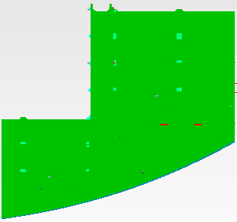
4375 - 677
(21.8x20)
 | 6/14~6/26
 | 2 | 4 | 6 | 8 | 10 | 12 | 14 | 16 | 18 | 20 | 22 | 24 | 26 | 28 | 30 | 32 | 34 | 36 | 38 | 40 | 42 | 44 | 46 | 48 | 50 | 52 | 54 | 56 | 58 | 60 | 62 | 64 | 66 | 68 | 70 | 72 | 74 | 76 | 78 | 80 | 82 | 84 | 86 | 88 | 90 | 92 | 94 | 96 | 98 | 100 | 102 | 104 | 106 | 108 | 110 | 112 | 114 | 116 | 118 | 120
2
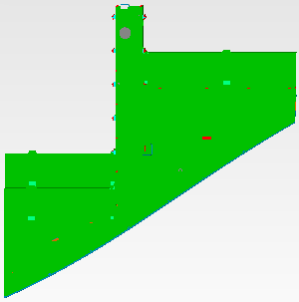
4375 - 297
(21.8x20.1)
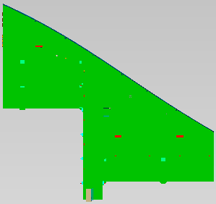
4375 - 287
(21.8x20.1)
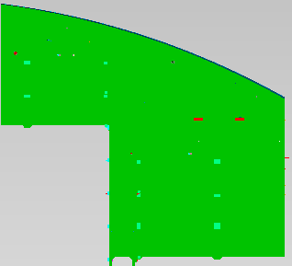
4375 - 667
(21.8x20)
4
6
8
10
12
14
16
18
20
22
24
26
28
30
32

2534 - 232
(17.6x20.6)
2534 - 222
(17.6x20.6)
2534 - 221
(25.9x15.8)
 | 6/27~7/8
 | 2 | 4 | 6 | 8 | 10 | 12 | 14 | 16 | 18 | 20 | 22 | 24 | 26 | 28 | 30 | 32 | 34 | 36 | 38 | 40 | 42 | 44 | 46 | 48 | 50 | 52 | 54 | 56 | 58 | 60 | 62 | 64 | 66 | 68 | 70 | 72 | 74 | 76 | 78 | 80 | 82 | 84 | 86 | 88 | 90 | 92 | 94 | 96 | 98 | 100 | 102 | 104 | 106 | 108 | 110 | 112 | 114 | 116 | 118 | 120
2
4

2534 - 202
(11.5x20.7)
6
8
10
12
14
16
2534 - 231
(20.8x15.8)
18
20
22
24
26
28
30
32

 | 7/10~7/25
 | 2 | 4 | 6 | 8 | 10 | 12 | 14 | 16 | 18 | 20 | 22 | 24 | 26 | 28 | 30 | 32 | 34 | 36 | 38 | 40 | 42 | 44 | 46 | 48 | 50 | 52 | 54 | 56 | 58 | 60 | 62 | 64 | 66 | 68 | 70 | 72 | 74 | 76 | 78 | 80 | 82 | 84 | 86 | 88 | 90 | 92 | 94 | 96 | 98 | 100 | 102 | 104 | 106 | 108 | 110 | 112 | 114 | 116 | 118 | 120
2
4
6
4387-20F
(18.5X51)
8
4387-20G
(18.7X51)
10
12
14
16
18
20
22
24
26
28
30
32

 | 7/31~8/13
 | 2 | 4 | 6 | 8 | 10 | 12 | 14 | 16 | 18 | 20 | 22 | 24 | 26 | 28 | 30 | 32 | 34 | 36 | 38 | 40 | 42 | 44 | 46 | 48 | 50 | 52 | 54 | 56 | 58 | 60 | 62 | 64 | 66 | 68 | 70 | 72 | 74 | 76 | 78 | 80 | 82 | 84 | 86 | 88 | 90 | 92 | 94 | 96 | 98 | 100 | 102 | 104 | 106 | 108 | 110 | 112 | 114 | 116 | 118 | 120
2
4377 - 666
(21.8x16.5)
4377 - 666
(21.8x16.5)
4
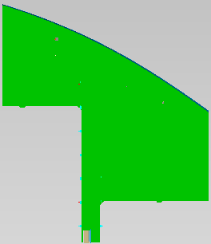
4376 - 687
(25.7x21.8)
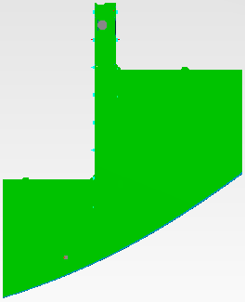
4376 - 697
(26.9x21.8)
6
8
10
12
14
16
18
20
4376 - 125
(13.7x9.1)
4376 - 135
(13.7x9.1)
22
24
26
28
30
32

4376 - 173
(22.0x11.7)
 | 8/9~8/23
 | 2 | 4 | 6 | 8 | 10 | 12 | 14 | 16 | 18 | 20 | 22 | 24 | 26 | 28 | 30 | 32 | 34 | 36 | 38 | 40 | 42 | 44 | 46 | 48 | 50 | 52 | 54 | 56 | 58 | 60 | 62 | 64 | 66 | 68 | 70 | 72 | 74 | 76 | 78 | 80 | 82 | 84 | 86 | 88 | 90 | 92 | 94 | 96 | 98 | 100 | 102 | 104 | 106 | 108 | 110 | 112 | 114 | 116 | 118 | 120
2
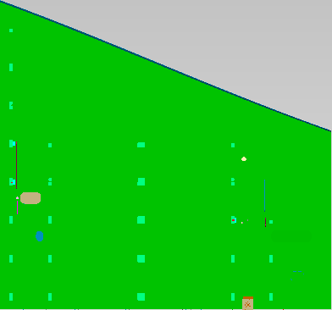
4377 - 246
(21.8x20.2)
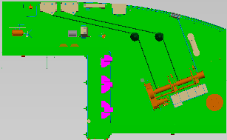
4376 - 647
(21.8x13.4)
4

4377 - 256
(21.8x18.6)
6
8
10
12
14
16
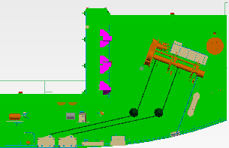
4376 - 657
(21.8x13.4)
4376 - 163
(22.0x11.7)
18
20
22
24
26
28
30
32

 | 8/24~9/7
 | 2 | 4 | 6 | 8 | 10 | 12 | 14 | 16 | 18 | 20 | 22 | 24 | 26 | 28 | 30 | 32 | 34 | 36 | 38 | 40 | 42 | 44 | 46 | 48 | 50 | 52 | 54 | 56 | 58 | 60 | 62 | 64 | 66 | 68 | 70 | 72 | 74 | 76 | 78 | 80 | 82 | 84 | 86 | 88 | 90 | 92 | 94 | 96 | 98 | 100 | 102 | 104 | 106 | 108 | 110 | 112 | 114 | 116 | 118 | 120
2
4
6
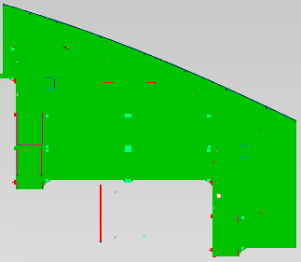
4377 - 266
(21.8x18.8)
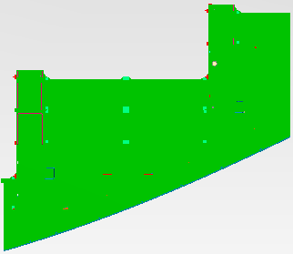
4377 - 276
(21.8x18.8)
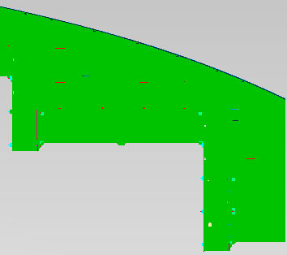
4377 - 286
(21.8x18.6)
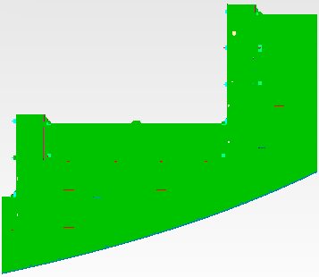
4377 - 296
(21.8x18.6)
8
10
12
14
16
18
20
22
24
26
28
30
32

 | 9/13~9/26
 | 2 | 4 | 6 | 8 | 10 | 12 | 14 | 16 | 18 | 20 | 22 | 24 | 26 | 28 | 30 | 32 | 34 | 36 | 38 | 40 | 42 | 44 | 46 | 48 | 50 | 52 | 54 | 56 | 58 | 60 | 62 | 64 | 66 | 68 | 70 | 72 | 74 | 76 | 78 | 80 | 82 | 84 | 86 | 88 | 90 | 92 | 94 | 96 | 98 | 100 | 102 | 104 | 106 | 108 | 110 | 112 | 114 | 116 | 118 | 120
2

4377 - 173
(22.0x11.7)
4
3307-11B
(24.8X20.5)
6
3307-13B
(24.8X17.8)
3307-12B
(24.8X17.8)
8
10
12
14
16
4377 - 163
(22.0x11.7)
18
20
22
24
26
28
30
32

 | 9/27~10/10
 | 2 | 4 | 6 | 8 | 10 | 12 | 14 | 16 | 18 | 20 | 22 | 24 | 26 | 28 | 30 | 32 | 34 | 36 | 38 | 40 | 42 | 44 | 46 | 48 | 50 | 52 | 54 | 56 | 58 | 60 | 62 | 64 | 66 | 68 | 70 | 72 | 74 | 76 | 78 | 80 | 82 | 84 | 86 | 88 | 90 | 92 | 94 | 96 | 98 | 100 | 102 | 104 | 106 | 108 | 110 | 112 | 114 | 116 | 118 | 120
2
4
6
4377-20K
(16.8X61)
8
10
12
14
16
18
20
22
24
26
28
30
32

 | 10/16~10/30
 | 2 | 4 | 6 | 8 | 10 | 12 | 14 | 16 | 18 | 20 | 22 | 24 | 26 | 28 | 30 | 32 | 34 | 36 | 38 | 40 | 42 | 44 | 46 | 48 | 50 | 52 | 54 | 56 | 58 | 60 | 62 | 64 | 66 | 68 | 70 | 72 | 74 | 76 | 78 | 80 | 82 | 84 | 86 | 88 | 90 | 92 | 94 | 96 | 98 | 100 | 102 | 104 | 106 | 108 | 110 | 112 | 114 | 116 | 118 | 120
2
4
6
8
10
12
14
16
18
20
22
24
26
28
30
32

 | 10/24~11/6
 | 2 | 4 | 6 | 8 | 10 | 12 | 14 | 16 | 18 | 20 | 22 | 24 | 26 | 28 | 30 | 32 | 34 | 36 | 38 | 40 | 42 | 44 | 46 | 48 | 50 | 52 | 54 | 56 | 58 | 60 | 62 | 64 | 66 | 68 | 70 | 72 | 74 | 76 | 78 | 80 | 82 | 84 | 86 | 88 | 90 | 92 | 94 | 96 | 98 | 100 | 102 | 104 | 106 | 108 | 110 | 112 | 114 | 116 | 118 | 120
2
4
6
8
10
12
14
16
18
20
22
24
26
28
30
32

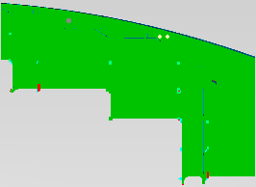
4389 - 663
(21.9x15.6)
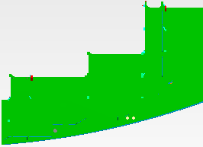
4389 - 673
(21.9x15.6)
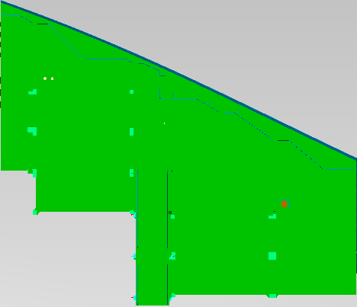
4388 - 664
(21.6x18.4)
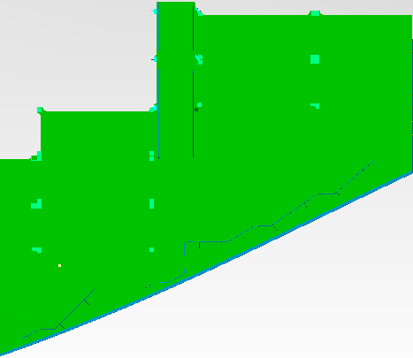
4388 - 674
(21.6x18.4)
 | 11/25~12/5
 | 2 | 4 | 6 | 8 | 10 | 12 | 14 | 16 | 18 | 20 | 22 | 24 | 26 | 28 | 30 | 32 | 34 | 36 | 38 | 40 | 42 | 44 | 46 | 48 | 50 | 52 | 54 | 56 | 58 | 60 | 62 | 64 | 66 | 68 | 70 | 72 | 74 | 76 | 78 | 80 | 82 | 84 | 86 | 88 | 90 | 92 | 94 | 96 | 98 | 100 | 102 | 104 | 106 | 108 | 110 | 112 | 114 | 116 | 118 | 120
2
4
6
8
10
12
14
16
18

4388 - 162
(21.9x12.2)
4388 - 172
(21.9x12.2)
4389 - 653
(21.9x8.4)
20
4389 - 643
(21.9x8.4)
22
24
26
28
30
32

 | 12/11~12/25
 | 2 | 4 | 6 | 8 | 10 | 12 | 14 | 16 | 18 | 20 | 22 | 24 | 26 | 28 | 30 | 32 | 34 | 36 | 38 | 40 | 42 | 44 | 46 | 48 | 50 | 52 | 54 | 56 | 58 | 60 | 62 | 64 | 66 | 68 | 70 | 72 | 74 | 76 | 78 | 80 | 82 | 84 | 86 | 88 | 90 | 92 | 94 | 96 | 98 | 100 | 102 | 104 | 106 | 108 | 110 | 112 | 114 | 116 | 118 | 120
2
4
6
4388-20G
(18.7X51)
4388-20F
(18.5X51)
8
10
12
14
16
18
20
22
24
26
28
30
32

 | 1/15~1/29
 | 2 | 4 | 6 | 8 | 10 | 12 | 14 | 16 | 18 | 20 | 22 | 24 | 26 | 28 | 30 | 32 | 34 | 36 | 38 | 40 | 42 | 44 | 46 | 48 | 50 | 52 | 54 | 56 | 58 | 60 | 62 | 64 | 66 | 68 | 70 | 72 | 74 | 76 | 78 | 80 | 82 | 84 | 86 | 88 | 90 | 92 | 94 | 96 | 98 | 100 | 102 | 104 | 106 | 108 | 110 | 112 | 114 | 116 | 118 | 120
2
4
6
4389-20G
(18.7X51)
4389-20F
(18.5X51)
8
10
12
14
16
18
20
22
24
26
28
30
32

 | 2/5~2/19
 | 2 | 4 | 6 | 8 | 10 | 12 | 14 | 16 | 18 | 20 | 22 | 24 | 26 | 28 | 30 | 32 | 34 | 36 | 38 | 40 | 42 | 44 | 46 | 48 | 50 | 52 | 54 | 56 | 58 | 60 | 62 | 64 | 66 | 68 | 70 | 72 | 74 | 76 | 78 | 80 | 82 | 84 | 86 | 88 | 90 | 92 | 94 | 96 | 98 | 100 | 102 | 104 | 106 | 108 | 110 | 112 | 114 | 116 | 118 | 120
2
4
6
4390-20G
(18.7X51)
4390-20F
(18.5X51)
8
10
12
14
16
18
20
22
24
26
28
30
32

 | 2/17~3/3
 | 2 | 4 | 6 | 8 | 10 | 12 | 14 | 16 | 18 | 20 | 22 | 24 | 26 | 28 | 30 | 32 | 34 | 36 | 38 | 40 | 42 | 44 | 46 | 48 | 50 | 52 | 54 | 56 | 58 | 60 | 62 | 64 | 66 | 68 | 70 | 72 | 74 | 76 | 78 | 80 | 82 | 84 | 86 | 88 | 90 | 92 | 94 | 96 | 98 | 100 | 102 | 104 | 106 | 108 | 110 | 112 | 114 | 116 | 118 | 120
2
4
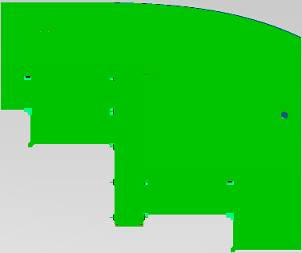
4392 - 644
(21.6x18)
6
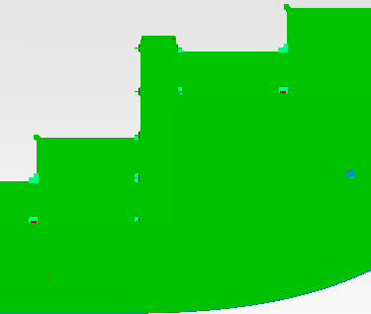
4392 - 654
(21.6x18)
4391 - 628
(23.6x19.5)
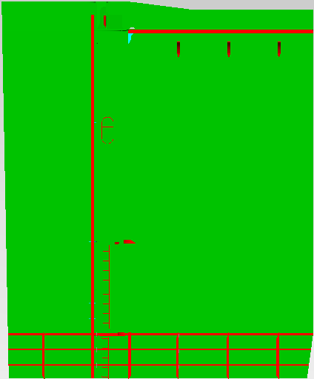
4391 - 638
(23.6x19.5)
8
10
12
14
16
18
20
22
24
26
28
30
32

 | 3/5~3/19
 | 2 | 4 | 6 | 8 | 10 | 12 | 14 | 16 | 18 | 20 | 22 | 24 | 26 | 28 | 30 | 32 | 34 | 36 | 38 | 40 | 42 | 44 | 46 | 48 | 50 | 52 | 54 | 56 | 58 | 60 | 62 | 64 | 66 | 68 | 70 | 72 | 74 | 76 | 78 | 80 | 82 | 84 | 86 | 88 | 90 | 92 | 94 | 96 | 98 | 100 | 102 | 104 | 106 | 108 | 110 | 112 | 114 | 116 | 118 | 120
2
4
6
4391-20G
(18.7X51)
4391-20F
(18.5X51)
8
10
12
14
16
18
20
22
24
26
28
30
32

 | 3/23~4/1
 | 2 | 4 | 6 | 8 | 10 | 12 | 14 | 16 | 18 | 20 | 22 | 24 | 26 | 28 | 30 | 32 | 34 | 36 | 38 | 40 | 42 | 44 | 46 | 48 | 50 | 52 | 54 | 56 | 58 | 60 | 62 | 64 | 66 | 68 | 70 | 72 | 74 | 76 | 78 | 80 | 82 | 84 | 86 | 88 | 90 | 92 | 94 | 96 | 98 | 100 | 102 | 104 | 106 | 108 | 110 | 112 | 114 | 116 | 118 | 120
2
4
4392-20L
(20.7X51)
6
4392-20K
(19.1X51)
8
10
12
14
16
18
20
22
24
26
28
30
32

 | 4/2~4/11
 | 2 | 4 | 6 | 8 | 10 | 12 | 14 | 16 | 18 | 20 | 22 | 24 | 26 | 28 | 30 | 32 | 34 | 36 | 38 | 40 | 42 | 44 | 46 | 48 | 50 | 52 | 54 | 56 | 58 | 60 | 62 | 64 | 66 | 68 | 70 | 72 | 74 | 76 | 78 | 80 | 82 | 84 | 86 | 88 | 90 | 92 | 94 | 96 | 98 | 100 | 102 | 104 | 106 | 108 | 110 | 112 | 114 | 116 | 118 | 120
2
4
6
4393 - 628
(23.6x19.5)
4393 - 638
(23.6x19.5)
4393 - 628
(23.6x19.5)
4393 - 638
(23.6x19.5)
8
10
12
14
16
18
20
22
24
26
28
30
32

 | 4/12~4/23
 | 2 | 4 | 6 | 8 | 10 | 12 | 14 | 16 | 18 | 20 | 22 | 24 | 26 | 28 | 30 | 32 | 34 | 36 | 38 | 40 | 42 | 44 | 46 | 48 | 50 | 52 | 54 | 56 | 58 | 60 | 62 | 64 | 66 | 68 | 70 | 72 | 74 | 76 | 78 | 80 | 82 | 84 | 86 | 88 | 90 | 92 | 94 | 96 | 98 | 100 | 102 | 104 | 106 | 108 | 110 | 112 | 114 | 116 | 118 | 120
2
4
6
4392-20G
(18.7X51)
4392-20F
(18.5X51)
8
10
12
14
16
18
20
22
24
26
28
30
32

 | 4/26~5/7
 | 2 | 4 | 6 | 8 | 10 | 12 | 14 | 16 | 18 | 20 | 22 | 24 | 26 | 28 | 30 | 32 | 34 | 36 | 38 | 40 | 42 | 44 | 46 | 48 | 50 | 52 | 54 | 56 | 58 | 60 | 62 | 64 | 66 | 68 | 70 | 72 | 74 | 76 | 78 | 80 | 82 | 84 | 86 | 88 | 90 | 92 | 94 | 96 | 98 | 100 | 102 | 104 | 106 | 108 | 110 | 112 | 114 | 116 | 118 | 120
2
4
6
4393-20G
(18.7X51)
4393-20F
(18.5X51)
8
10
12
14
16
18
20
22
24
26
28
30
32

자항선4
대외비 2
 |  |  |  |  |  |  |  |  |  |  |  |  |  |  |  |  |  |  |  |  |  |  |  |  |  |  |  |  |  |  |  | 10M |  |  |  |  |  |  |  | 12M
 | 5/15~5/25
 | 2 | 4 | 6 | 8 | 10 | 12 | 14 | 16 | 18 | 20 | 22 | 24 | 26 | 28 | 30 | 32 | 34 | 36 | 38 | 40 | 42 | 44 | 46 | 48 | 50 | 52 | 54 | 56 | 58 | 60 | 62 | 64 | 66 | 68 | 70 | 72 | 74 | 76 | 78 | 80 | 82 | 84 | 86 | 88 | 90 | 92 | 94 | 96 | 98 | 100 | 102 | 104 | 106 | 108 | 110 | 112 | 114 | 116 | 118 | 120 | 122 | 124 | 126 | 128 | 130 |  | 2 | 4 | 6 | 8 | 10 | 12 | 14 | 16 | 18 | 20 | 22 | 24 | 26
4386 - 282
(20.6x12.8)
4386 - 662
(20.6x6.2)
2 |  |  |  |  |  |  |  |  |  |  |  |  |  |  |  |  |  |  |  |  |  |  |  |  |  |  |  |  |  |  |  |  |  |  |  |  |  |  |  |  |  |  |  |  |  |  |  |  |  |  |  |  |  |  |  |  |  |  |  |  |  |  |  |  |  | 2
4386 - 683
(21.9x15.2)
4 |  |  |  |  |  |  |  |  |  |  |  |  |  |  |  |  |  |  |  |  |  |  |  |  |  |  |  |  |  |  |  |  |  |  |  |  |  |  |  |  |  |  |  |  |  |  |  |  |  |  |  |  |  |  |  |  |  |  |  |  |  |  |  |  |  | 4
6 |  |  |  |  |  |  |  |  |  |  |  |  |  |  |  |  |  |  |  |  |  |  |  |  |  |  |  |  |  |  |  |  |  |  |  |  |  |  |  |  |  |  |  |  |  |  |  |  |  |  |  |  |  |  |  |  |  |  |  |  |  |  |  |  |  | 6
8 |  |  |  |  |  |  |  |  |  |  |  |  |  |  |  |  |  |  |  |  |  |  |  |  |  |  |  |  |  |  |  |  |  |  |  |  |  |  |  |  |  |  |  |  |  |  |  |  |  |  |  |  |  |  |  |  |  |  |  |  |  |  |  |  |  | 8
10 |  |  |  |  |  |  |  |  |  |  |  |  |  |  |  |  |  |  |  |  |  |  |  |  |  |  |  |  |  |  |  |  |  |  |  |  |  |  |  |  |  |  |  |  |  |  |  |  |  |  |  |  |  |  |  |  |  |  |  |  |  |  |  |  |  | 10
12 |  |  |  |  |  |  |  |  |  |  |  |  |  |  |  |  |  |  |  |  |  |  |  |  |  |  |  |  |  |  |  |  |  |  |  |  |  |  |  |  |  |  |  |  |  |  |  |  |  |  |  |  |  |  |  |  |  |  |  |  |  |  |  |  |  | 12
4386 - 292
(20.6x12.8)
14 |  |  |  |  |  |  |  |  |  |  |  |  |  |  |  |  |  |  |  |  |  |  |  |  |  |  |  |  |  |  |  |  |  |  |  |  |  |  |  |  |  |  |  |  |  |  |  |  |  |  |  |  |  |  |  |  |  |  |  |  |  |  |  |  |  | 14
16 |  |  |  |  |  |  |  |  |  |  |  |  |  |  |  |  |  |  |  |  |  |  |  |  |  |  |  |  |  |  |  |  |  |  |  |  |  |  |  |  |  |  |  |  |  |  |  |  |  |  |  |  |  |  |  |  |  |  |  |  |  |  |  |  |  | 16
4386 - 692
(20.7x10.1)
18 |  |  |  |  |  |  |  |  |  |  |  |  |  |  |  |  |  |  |  |  |  |  |  |  |  |  |  |  |  |  |  |  |  |  |  |  |  |  |  |  |  |  |  |  |  |  |  |  |  |  |  |  |  |  |  |  |  |  |  |  |  |  |  |  |  | 18
20 |  |  |  |  |  |  |  |  |  |  |  |  |  |  |  |  |  |  |  |  |  |  |  |  |  |  |  |  |  |  |  |  |  |  |  |  |  |  |  |  |  |  |  |  |  |  |  |  |  |  |  |  |  |  |  |  |  |  |  |  |  |  |  |  |  | 20
4386 - 693
(21.9x15.2)
22 |  |  |  |  |  |  |  |  |  |  |  |  |  |  |  |  |  |  |  |  |  |  |  |  |  |  |  |  |  |  |  |  |  |  |  |  |  |  |  |  |  |  |  |  |  |  |  |  |  |  |  |  |  |  |  |  |  |  |  |  |  |  |  |  |  | 22
24 |  |  |  |  |  |  |  |  |  |  |  |  |  |  |  |  |  |  |  |  |  |  |  |  |  |  |  |  |  |  |  |  |  |  |  |  |  |  |  |  |  |  |  |  |  |  |  |  |  |  |  |  |  |  |  |  |  |  |  |  |  |  |  |  |  | 24
26 |  |  |  |  |  |  |  |  |  |  |  |  |  |  |  |  |  |  |  |  |  |  |  |  |  |  |  |  |  |  |  |  |  |  |  |  |  |  |  |  |  |  |  |  |  |  |  |  |  |  |  |  |  |  |  |  |  |  |  |  |  |  |  |  |  | 26
4386 - 672
(20.6x6.2)
4386 - 682
(20.7x10.1)
28
30
32
34
36
38
40

4374 - 162
(22x8.3)
 | 5/26~6/8
 | 2 | 4 | 6 | 8 | 10 | 12 | 14 | 16 | 18 | 20 | 22 | 24 | 26 | 28 | 30 | 32 | 34 | 36 | 38 | 40 | 42 | 44 | 46 | 48 | 50 | 52 | 54 | 56 | 58 | 60 | 62 | 64 | 66 | 68 | 70 | 72 | 74 | 76 | 78 | 80 | 82 | 84 | 86 | 88 | 90 | 92 | 94 | 96 | 98 | 100 | 102 | 104 | 106 | 108 | 110 | 112 | 114 | 116 | 118 | 120 | 122 | 124 | 126 | 128 | 130
2
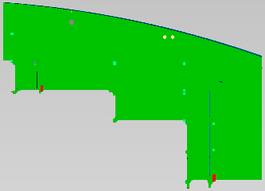
4386 - 663
(21.9x15.6)
4374 - 172
(22x8.3)
4
6
8
4385 - 629
(16.7X20.9)
4385 - 639
(16.7X20.9)
10
12
14
4375 - 685
(20.7x7.6)
4375 - 695
(20.7x7.6)
16
18
20
22
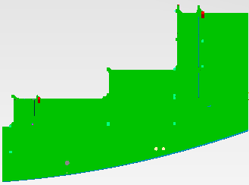
4386 -673
(21.9x15.6)
24
26
28
4375 - 665
(20.9x5.8)
4375 - 675
(20.9x5.8)
30
32
34
36
38
40

4374 - 148
(15.8x17.7)
 | 6/7~6/18
 | 2 | 4 | 6 | 8 | 10 | 12 | 14 | 16 | 18 | 20 | 22 | 24 | 26 | 28 | 30 | 32 | 34 | 36 | 38 | 40 | 42 | 44 | 46 | 48 | 50 | 52 | 54 | 56 | 58 | 60 | 62 | 64 | 66 | 68 | 70 | 72 | 74 | 76 | 78 | 80 | 82 | 84 | 86 | 88 | 90 | 92 | 94 | 96 | 98 | 100 | 102 | 104 | 106 | 108 | 110 | 112 | 114 | 116 | 118 | 120 | 122 | 124 | 126 | 128 | 130
2
4386 - 638
(23.7x21.0)
4386 - 629
(21.5x16.9)
4375 - 285
(21x8.7)
4
6
8
10
12
14
16
4386 - 628
(23.7x21.0)
18
20

4386 - 639
(21.5x16.9)
22
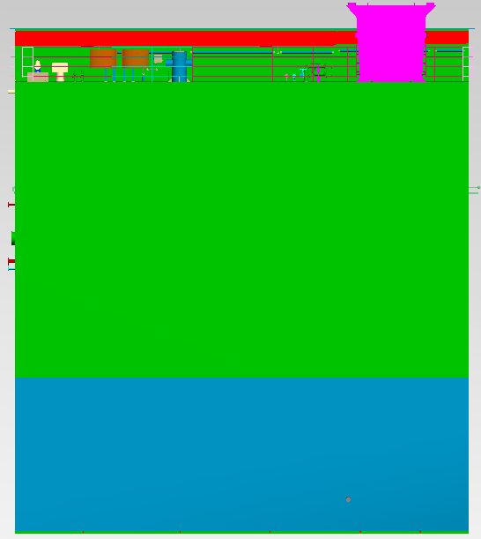
4374 - 158
(15.8x17.7)
24
26
4375 - 295
(21x8.7)
28
30
32
34
36
38
40

 | 6/21~6/30
 | 2 | 4 | 6 | 8 | 10 | 12 | 14 | 16 | 18 | 20 | 22 | 24 | 26 | 28 | 30 | 32 | 34 | 36 | 38 | 40 | 42 | 44 | 46 | 48 | 50 | 52 | 54 | 56 | 58 | 60 | 62 | 64 | 66 | 68 | 70 | 72 | 74 | 76 | 78 | 80 | 82 | 84 | 86 | 88 | 90 | 92 | 94 | 96 | 98 | 100 | 102 | 104 | 106 | 108 | 110 | 112 | 114 | 116 | 118 | 120 | 122 | 124 | 126 | 128 | 130
2
4387 - 683
(21.9x15.2)
4387 - 242
(20.6x20.0)
4
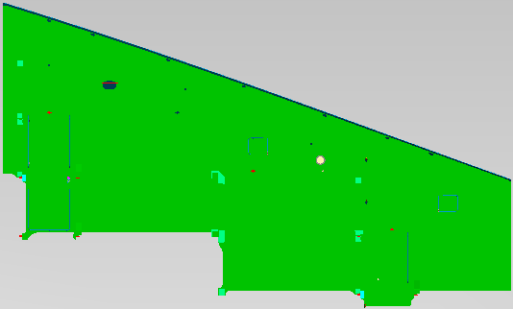
4387 - 283
(21.9x12.9)
6
4375 - 162
(22x8.3)
8
4387 - 682
(20.7x10.1)
10
12
14
16
18
4387 - 693
(21.9x15.2)
4375 - 172
(22x8.3)
20
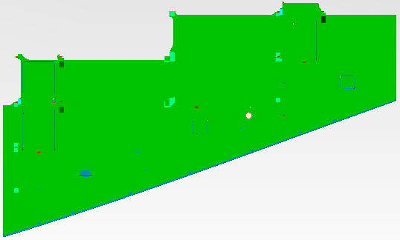
4387 - 293
(21.9x12.9)
4387 - 692
(20.7x10.1)
22
4387 - 252
(20.6x14.4)
24
26
28
30
32
34
36
38
40

4387 - 644
(21.8x18)
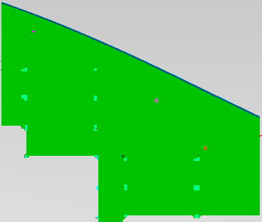
4387 - 664
(22x18.7)
 | 7/4~7/14
 | 2 | 4 | 6 | 8 | 10 | 12 | 14 | 16 | 18 | 20 | 22 | 24 | 26 | 28 | 30 | 32 | 34 | 36 | 38 | 40 | 42 | 44 | 46 | 48 | 50 | 52 | 54 | 56 | 58 | 60 | 62 | 64 | 66 | 68 | 70 | 72 | 74 | 76 | 78 | 80 | 82 | 84 | 86 | 88 | 90 | 92 | 94 | 96 | 98 | 100 | 102 | 104 | 106 | 108 | 110 | 112 | 114 | 116 | 118 | 120 | 122 | 124 | 126 | 128 | 130
2
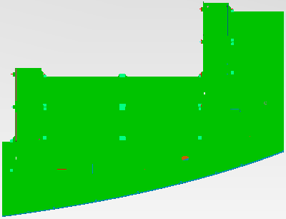
4376 - 696
(21.8x16.5)
4
6
8
10
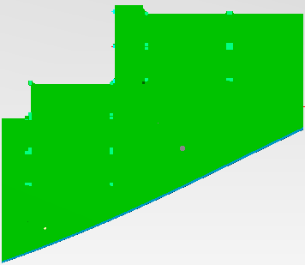
4387 - 674
(22x18.7)
4387 - 654
(21.8x18)
12
14
16
18
20
4376 - 666
(21.8x16.5)
4376 - 676
(21.8x16.5)

4376 - 686
(21.8x16.5)
22
24
26
28
30
32
34
36
38
40

 | 7/16~7/27
 | 2 | 4 | 6 | 8 | 10 | 12 | 14 | 16 | 18 | 20 | 22 | 24 | 26 | 28 | 30 | 32 | 34 | 36 | 38 | 40 | 42 | 44 | 46 | 48 | 50 | 52 | 54 | 56 | 58 | 60 | 62 | 64 | 66 | 68 | 70 | 72 | 74 | 76 | 78 | 80 | 82 | 84 | 86 | 88 | 90 | 92 | 94 | 96 | 98 | 100 | 102 | 104 | 106 | 108 | 110 | 112 | 114 | 116 | 118 | 120 | 122 | 124 | 126 | 128 | 130
2
4
6
8

4387 - 638
(23.7x21.0)
4387 - 628
(23.7x21.0)
4387 - 629
(16.7X20.9)
4387 - 639
(16.7X20.9)
10
4375 - 148
(15.8x17.7)
4375 - 158
(15.8x17.7)
12
14
16
18
20
22
24
26
28
30
32
34
36
38
40

4377 - 696
(21.8x16.5)
 | 8/9~8/17
 | 2 | 4 | 6 | 8 | 10 | 12 | 14 | 16 | 18 | 20 | 22 | 24 | 26 | 28 | 30 | 32 | 34 | 36 | 38 | 40 | 42 | 44 | 46 | 48 | 50 | 52 | 54 | 56 | 58 | 60 | 62 | 64 | 66 | 68 | 70 | 72 | 74 | 76 | 78 | 80 | 82 | 84 | 86 | 88 | 90 | 92 | 94 | 96 | 98 | 100 | 102 | 104 | 106 | 108 | 110 | 112 | 114 | 116 | 118 | 120 | 122 | 124 | 126 | 128 | 130
2
4376 - 162
(22x8.3)
4376 - 172
(22x8.3)
4
6
8
4376 - 287
(21.8x20.1)
4376 - 297
(21.8x20.1)
10
12
14
4376 - 677
(21.8x20)
4376 - 667
(21.8x20)
16
18
4377 - 686
(21.8x16.5)
20
22
24
26
28
30
32
34
36
38
40

2550 - 223
(25.8x19.2)
 | 8/18~8/27
 | 2 | 4 | 6 | 8 | 10 | 12 | 14 | 16 | 18 | 20 | 22 | 24 | 26 | 28 | 30 | 32 | 34 | 36 | 38 | 40 | 42 | 44 | 46 | 48 | 50 | 52 | 54 | 56 | 58 | 60 | 62 | 64 | 66 | 68 | 70 | 72 | 74 | 76 | 78 | 80 | 82 | 84 | 86 | 88 | 90 | 92 | 94 | 96 | 98 | 100 | 102 | 104 | 106 | 108 | 110 | 112 | 114 | 116 | 118 | 120 | 122 | 124 | 126 | 128 | 130
2
4
2534 40C
(41X29.6)
2534 40B
(41X29.6)
6
8
10
12
14
16
18
20
2550 - 233
(20.7x19.2)
22
24
26
28
30
32
34
36
38
40

2550 - 234
(20.6x18.5)
 | 8/28~9/6
 | 2 | 4 | 6 | 8 | 10 | 12 | 14 | 16 | 18 | 20 | 22 | 24 | 26 | 28 | 30 | 32 | 34 | 36 | 38 | 40 | 42 | 44 | 46 | 48 | 50 | 52 | 54 | 56 | 58 | 60 | 62 | 64 | 66 | 68 | 70 | 72 | 74 | 76 | 78 | 80 | 82 | 84 | 86 | 88 | 90 | 92 | 94 | 96 | 98 | 100 | 102 | 104 | 106 | 108 | 110 | 112 | 114 | 116 | 118 | 120 | 122 | 124 | 126 | 128 | 130
2
4
6
4377 - 656
(22x8.4)
8
4376-20p
(20.6X61)
10
12
14
16
18
2550 - 235
(20.6x18.4)
4377 - 646
(22x8.4)
20
22
24
26
28
30
32
34
36
38
40

4377 - 653
(17x15)
4377 - 652
(15.7x15)
 | 9/7~9/15
 | 2 | 4 | 6 | 8 | 10 | 12 | 14 | 16 | 18 | 20 | 22 | 24 | 26 | 28 | 30 | 32 | 34 | 36 | 38 | 40 | 42 | 44 | 46 | 48 | 50 | 52 | 54 | 56 | 58 | 60 | 62 | 64 | 66 | 68 | 70 | 72 | 74 | 76 | 78 | 80 | 82 | 84 | 86 | 88 | 90 | 92 | 94 | 96 | 98 | 100 | 102 | 104 | 106 | 108 | 110 | 112 | 114 | 116 | 118 | 120 | 122 | 124 | 126 | 128 | 130
2
3307 82D
(28.4X19.8)
3307 82D
(29.1X18.5)
4
6
8
10
12
14
16
18
3307 81D
(28.4X19.8)
20
4377 - 643
(17x15)
22
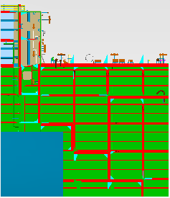
4377 - 176
(17.0x15.2)
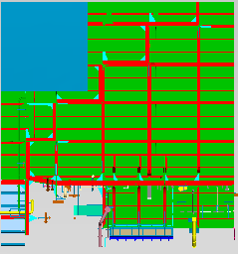
4377 - 166
(16.0x15.2)
4377 - 642
(15.7x15)
24
26
28
30
32
34
36
38
40

4377 - 677
(21.8x20)
4377 - 687
(25.7x21.8)
 | 9/16~9/25
 | 2 | 4 | 6 | 8 | 10 | 12 | 14 | 16 | 18 | 20 | 22 | 24 | 26 | 28 | 30 | 32 | 34 | 36 | 38 | 40 | 42 | 44 | 46 | 48 | 50 | 52 | 54 | 56 | 58 | 60 | 62 | 64 | 66 | 68 | 70 | 72 | 74 | 76 | 78 | 80 | 82 | 84 | 86 | 88 | 90 | 92 | 94 | 96 | 98 | 100 | 102 | 104 | 106 | 108 | 110 | 112 | 114 | 116 | 118 | 120 | 122 | 124 | 126 | 128 | 130
2
4377 - 667
(21.8x20)
4377 - 697
(26.9x21.8)
4
6
8
10
12
14
16
18
20
22
24
4377 - 647
(21.8x13.4)
4377 - 657
(21.8x13.4)
26
4377 - 135
(13.7x9.1)
4377 - 125
(13.7x9.1)
28
30
32
34
36
38
40

2567 - 228
(25.8x18.5)
2567 - 238
(20.6x18.5)
2567 - 224
(25.8x18.5)
2567 - 234
(20.6x18.5)
 | 10/6~10/15
 | 2 | 4 | 6 | 8 | 10 | 12 | 14 | 16 | 18 | 20 | 22 | 24 | 26 | 28 | 30 | 32 | 34 | 36 | 38 | 40 | 42 | 44 | 46 | 48 | 50 | 52 | 54 | 56 | 58 | 60 | 62 | 64 | 66 | 68 | 70 | 72 | 74 | 76 | 78 | 80 | 82 | 84 | 86 | 88 | 90 | 92 | 94 | 96 | 98 | 100 | 102 | 104 | 106 | 108 | 110 | 112 | 114 | 116 | 118 | 120 | 122 | 124 | 126 | 128 | 130
2
4
6
8
10
12
14
16
18
2567 - 235
(20.6x18.4)
20
2567 - 233
(20.7x19.2)
2532 - 225
(25.8x18.4)
2567 - 223
(25.8x19.2)
22
24
26
28
30
32
34
36
38
40

 | 10/20~10/30
 | 2 | 4 | 6 | 8 | 10 | 12 | 14 | 16 | 18 | 20 | 22 | 24 | 26 | 28 | 30 | 32 | 34 | 36 | 38 | 40 | 42 | 44 | 46 | 48 | 50 | 52 | 54 | 56 | 58 | 60 | 62 | 64 | 66 | 68 | 70 | 72 | 74 | 76 | 78 | 80 | 82 | 84 | 86 | 88 | 90 | 92 | 94 | 96 | 98 | 100 | 102 | 104 | 106 | 108 | 110 | 112 | 114 | 116 | 118 | 120 | 122 | 124 | 126 | 128 | 130
2
4377 - 158
(15.8x17.7)
4389 - 693
(21.9x15.1)
4389 - 293
(21.9x12.8)
4388 - 673
(21.9x15.6)
4
4388 - 126
(14.2x9.3)
6
8
10
12
14
16
18
20
4377 - 148
(15.8x17.7)
4388 - 663
(21.9x15.6)
22
4389 - 283
(21.9x12.8)

4389 - 683
(21.9x15.1)
24
4388 - 136
(14.2x9.3)
26
28
30
32
34
36
38
40

 | 11/14~11/23
 | 2 | 4 | 6 | 8 | 10 | 12 | 14 | 16 | 18 | 20 | 22 | 24 | 26 | 28 | 30 | 32 | 34 | 36 | 38 | 40 | 42 | 44 | 46 | 48 | 50 | 52 | 54 | 56 | 58 | 60 | 62 | 64 | 66 | 68 | 70 | 72 | 74 | 76 | 78 | 80 | 82 | 84 | 86 | 88 | 90 | 92 | 94 | 96 | 98 | 100 | 102 | 104 | 106 | 108 | 110 | 112 | 114 | 116 | 118 | 120 | 122 | 124 | 126 | 128 | 130
2
4389 - 126
(14.2x9.3)
4390 - 663
(21.9x15.6)
4388 - 683
(21.9x15.1)
4388 - 293
(21.9x12.8)
4389 - 664
(21.6x18.4)
4
6
8
10
12
14
4389 - 674
(21.6x18.4)
16
18
20
4390 - 673
(21.9x15.6)
22
4389 - 136
(14.2x9.3)
4388 - 693
(21.9x15.1)
24
4388 - 283
(21.9x12.8)
26
28
30
32
34
36
38
40

 | 12/16~12/25
 | 2 | 4 | 6 | 8 | 10 | 12 | 14 | 16 | 18 | 20 | 22 | 24 | 26 | 28 | 30 | 32 | 34 | 36 | 38 | 40 | 42 | 44 | 46 | 48 | 50 | 52 | 54 | 56 | 58 | 60 | 62 | 64 | 66 | 68 | 70 | 72 | 74 | 76 | 78 | 80 | 82 | 84 | 86 | 88 | 90 | 92 | 94 | 96 | 98 | 100 | 102 | 104 | 106 | 108 | 110 | 112 | 114 | 116 | 118 | 120 | 122 | 124 | 126 | 128 | 130
2
4
6
4388-20L
(20.7X51)
8
4388-20K
(19.1X51)
10
12
14
16
18
20
22
24
26
28
30
32
34
36
38
40

4391 - 673
(21.9x15.6)
 | 1/7~1/16
 | 2 | 4 | 6 | 8 | 10 | 12 | 14 | 16 | 18 | 20 | 22 | 24 | 26 | 28 | 30 | 32 | 34 | 36 | 38 | 40 | 42 | 44 | 46 | 48 | 50 | 52 | 54 | 56 | 58 | 60 | 62 | 64 | 66 | 68 | 70 | 72 | 74 | 76 | 78 | 80 | 82 | 84 | 86 | 88 | 90 | 92 | 94 | 96 | 98 | 100 | 102 | 104 | 106 | 108 | 110 | 112 | 114 | 116 | 118 | 120 | 122 | 124 | 126 | 128 | 130
2
4389 - 162
(21.9x12.2)
4
6
4391 - 126
(14.2x9.3)
4390 - 653
(21.9x8.4)
8
10
12
14
16
18
20
4390 - 643
(21.9x8.4)
4391 - 663
(21.9x15.6)
22
4391 - 136
(14.2x9.3)
24
4389 - 172
(21.9x12.2)
26
28
30
32
34
36
38
40

4391 - 283
(21.9x12.8)
 | 1/21~1/30
 | 2 | 4 | 6 | 8 | 10 | 12 | 14 | 16 | 18 | 20 | 22 | 24 | 26 | 28 | 30 | 32 | 34 | 36 | 38 | 40 | 42 | 44 | 46 | 48 | 50 | 52 | 54 | 56 | 58 | 60 | 62 | 64 | 66 | 68 | 70 | 72 | 74 | 76 | 78 | 80 | 82 | 84 | 86 | 88 | 90 | 92 | 94 | 96 | 98 | 100 | 102 | 104 | 106 | 108 | 110 | 112 | 114 | 116 | 118 | 120 | 122 | 124 | 126 | 128 | 130
2

4391 - 693
(21.9x15.1)
4391 - 664
(21.6x18.4)
4392 - 693
(21.9x15.1)
4389 - 159
(14.7x15.1)
4
6
8
10
12
14
16
18
4391 - 674
(21.6x18.4)
20
22
4392 - 683
(21.9x15.1)

4389 - 149
(14.7x15.1)
24

4391 - 283
(21.9x12.8)
26

4391 - 293
(21.9x12.8)
28
30
32
34
36
38
40

4391- 639
(15.7X20.9)
 | 2/5~2/15
 | 2 | 4 | 6 | 8 | 10 | 12 | 14 | 16 | 18 | 20 | 22 | 24 | 26 | 28 | 30 | 32 | 34 | 36 | 38 | 40 | 42 | 44 | 46 | 48 | 50 | 52 | 54 | 56 | 58 | 60 | 62 | 64 | 66 | 68 | 70 | 72 | 74 | 76 | 78 | 80 | 82 | 84 | 86 | 88 | 90 | 92 | 94 | 96 | 98 | 100 | 102 | 104 | 106 | 108 | 110 | 112 | 114 | 116 | 118 | 120 | 122 | 124 | 126 | 128 | 130
2
4
6
8
4390-20L
(20.7X51)
10
4390-20K
(19.1X51)
12
14
16
18
20
4391 - 629
(15.7X20.9)
22
24
26
28
30
32
34
36
38
40

 | 2/16~2/26
 | 2 | 4 | 6 | 8 | 10 | 12 | 14 | 16 | 18 | 20 | 22 | 24 | 26 | 28 | 30 | 32 | 34 | 36 | 38 | 40 | 42 | 44 | 46 | 48 | 50 | 52 | 54 | 56 | 58 | 60 | 62 | 64 | 66 | 68 | 70 | 72 | 74 | 76 | 78 | 80 | 82 | 84 | 86 | 88 | 90 | 92 | 94 | 96 | 98 | 100 | 102 | 104 | 106 | 108 | 110 | 112 | 114 | 116 | 118 | 120 | 122 | 124 | 126 | 128 | 130
2
4392 - 663
(21.9x15.6)
4392 - 653
(21.9x8.4)
4391 - 162
(21.9x12.2)
4390 - 159
(14.7x15.1)
4
4392 - 126
(14.2x9.3)
6
8
10
12
14
16
18
20
4392 - 673
(21.9x15.6)
22
4390 - 149
(14.7x15.1)
24
4392 - 136
(14.2x9.3)
4391 - 172
(21.9x12.2)
26
4392 - 643
(21.9x8.4)
28
30
32
34
36
38
40

 | 2/27~3/8
 | 2 | 4 | 6 | 8 | 10 | 12 | 14 | 16 | 18 | 20 | 22 | 24 | 26 | 28 | 30 | 32 | 34 | 36 | 38 | 40 | 42 | 44 | 46 | 48 | 50 | 52 | 54 | 56 | 58 | 60 | 62 | 64 | 66 | 68 | 70 | 72 | 74 | 76 | 78 | 80 | 82 | 84 | 86 | 88 | 90 | 92 | 94 | 96 | 98 | 100 | 102 | 104 | 106 | 108 | 110 | 112 | 114 | 116 | 118 | 120 | 122 | 124 | 126 | 128 | 130
2
4
4393 - 683
(21.9x15.1)
4393 - 693
(21.9x15.1)
6
4393 - 126
(14.2x9.3)
4393 - 283
(21.9x12.8)
8
10
12
14
16
18
20
4393 - 136
(14.2x9.3)
4393 - 293
(21.9x12.8)
22
24
4393 - 653
(21.9x8.4)
4393 - 643
(21.9x8.4)
26
28
30
32
34
36
38
40

 | 3/9~3/18
 | 2 | 4 | 6 | 8 | 10 | 12 | 14 | 16 | 18 | 20 | 22 | 24 | 26 | 28 | 30 | 32 | 34 | 36 | 38 | 40 | 42 | 44 | 46 | 48 | 50 | 52 | 54 | 56 | 58 | 60 | 62 | 64 | 66 | 68 | 70 | 72 | 74 | 76 | 78 | 80 | 82 | 84 | 86 | 88 | 90 | 92 | 94 | 96 | 98 | 100 | 102 | 104 | 106 | 108 | 110 | 112 | 114 | 116 | 118 | 120 | 122 | 124 | 126 | 128 | 130
2
4
6
8
4391-20L
(20.7X51)
4391-20K
(19.1X51)
10
12
14
16
18
20
22
24
26
28
30
32
34
36
38
40

4392 - 628
(23.6x19.5)
4393 - 654
(21.6x18)
 | 4/3~4/13
 | 2 | 4 | 6 | 8 | 10 | 12 | 14 | 16 | 18 | 20 | 22 | 24 | 26 | 28 | 30 | 32 | 34 | 36 | 38 | 40 | 42 | 44 | 46 | 48 | 50 | 52 | 54 | 56 | 58 | 60 | 62 | 64 | 66 | 68 | 70 | 72 | 74 | 76 | 78 | 80 | 82 | 84 | 86 | 88 | 90 | 92 | 94 | 96 | 98 | 100 | 102 | 104 | 106 | 108 | 110 | 112 | 114 | 116 | 118 | 120 | 122 | 124 | 126 | 128 | 130
2
4
4393 - 644
(21.6x18)
6

4393 - 213
(22.1x24.3)
8
10
12
14
16
18
4392- 639
(15.7X20.9)
20
4393 - 644
(21.6x18)
4392 - 638
(23.6x19.5)
4392 - 629
(15.7X20.9)
22
24
26
28
30
32
34
36
38
40

 | 3/23~4/1
 | 2 | 4 | 6 | 8 | 10 | 12 | 14 | 16 | 18 | 20 | 22 | 24 | 26 | 28 | 30 | 32 | 34 | 36 | 38 | 40 | 42 | 44 | 46 | 48 | 50 | 52 | 54 | 56 | 58 | 60 | 62 | 64 | 66 | 68 | 70 | 72 | 74 | 76 | 78 | 80 | 82 | 84 | 86 | 88 | 90 | 92 | 94 | 96 | 98 | 100 | 102 | 104 | 106 | 108 | 110 | 112 | 114 | 116 | 118 | 120 | 122 | 124 | 126 | 128 | 130
2
4
6
8
10
12
14
16
18
20
22
24
26
28
30
32
34
36
38
40

 | 4/6~4/15
 | 2 | 4 | 6 | 8 | 10 | 12 | 14 | 16 | 18 | 20 | 22 | 24 | 26 | 28 | 30 | 32 | 34 | 36 | 38 | 40 | 42 | 44 | 46 | 48 | 50 | 52 | 54 | 56 | 58 | 60 | 62 | 64 | 66 | 68 | 70 | 72 | 74 | 76 | 78 | 80 | 82 | 84 | 86 | 88 | 90 | 92 | 94 | 96 | 98 | 100 | 102 | 104 | 106 | 108 | 110 | 112 | 114 | 116 | 118 | 120 | 122 | 124 | 126 | 128 | 130
2
4
6
8
4393-20L
(20.7X51)
4393-20K
(19.1X51)
10
12
14
16
18
20
22
24
26
28
30
32
34
36
38
40

자항선5
대외비 2
 | 6/2~6/10
 | 2 | 4 | 6 | 8 | 10 | 12 | 14 | 16 | 18 | 20 | 22 | 24 | 26 | 28 | 30 | 32 | 34 | 36 | 38 | 40 | 42 | 44 | 46 | 48 | 50 | 52 | 54 | 56 | 58 | 60 | 62 | 64 | 66 | 68 | 70 | 72 | 74 | 76 | 78 | 80 | 82 | 84 | 86 | 88 | 90 | 92 | 94 | 96 | 98 | 100 | 102 | 104 | 106 | 108 | 110 | 112 | 114 | 116 | 118
2

4375 - 245
(20.7x20.0)

4375 - 255
(20.7x20.0)
4

4385 - 161
(22.2x18.1)

4385 - 171
(22.2x18.1)
6
8
10
12
14
16
18
20
22
24
26
28
30
32

4375 - 176
(17.0x15.2)
 | 6/11~6/19
 | 2 | 4 | 6 | 8 | 10 | 12 | 14 | 16 | 18 | 20 | 22 | 24 | 26 | 28 | 30 | 32 | 34 | 36 | 38 | 40 | 42 | 44 | 46 | 48 | 50 | 52 | 54 | 56 | 58 | 60 | 62 | 64 | 66 | 68 | 70 | 72 | 74 | 76 | 78 | 80 | 82 | 84 | 86 | 88 | 90 | 92 | 94 | 96 | 98 | 100 | 102 | 104 | 106 | 108 | 110 | 112 | 114 | 116 | 118
2
4375 - 697
(26.9x21.8)
4375 - 687
(25.7x21.8)
4375 - 166
(16.0x15.2)
4
6
8
10
12
14
16
18
20
22
24
26
28
30
32


4375 - 161
(22x18.9)

4375 - 171
(22x18.9)
4375 - 657
(21.8x13.4)
 | 6/18~6/27
 | 2 | 4 | 6 | 8 | 10 | 12 | 14 | 16 | 18 | 20 | 22 | 24 | 26 | 28 | 30 | 32 | 34 | 36 | 38 | 40 | 42 | 44 | 46 | 48 | 50 | 52 | 54 | 56 | 58 | 60 | 62 | 64 | 66 | 68 | 70 | 72 | 74 | 76 | 78 | 80 | 82 | 84 | 86 | 88 | 90 | 92 | 94 | 96 | 98 | 100 | 102 | 104 | 106 | 108 | 110 | 112 | 114 | 116 | 118
2
4
6
8
10
12
14
16
4375 - 647
(21.8x13.4)
18
20
22
24
26
28
30
32

 | 7/10~7/19
 | 2 | 4 | 6 | 8 | 10 | 12 | 14 | 16 | 18 | 20 | 22 | 24 | 26 | 28 | 30 | 32 | 34 | 36 | 38 | 40 | 42 | 44 | 46 | 48 | 50 | 52 | 54 | 56 | 58 | 60 | 62 | 64 | 66 | 68 | 70 | 72 | 74 | 76 | 78 | 80 | 82 | 84 | 86 | 88 | 90 | 92 | 94 | 96 | 98 | 100 | 102 | 104 | 106 | 108 | 110 | 112 | 114 | 116 | 118
2
4
6
2534 - 224
(25.8x18.5)
2534 - 234
(20.6x18.5)
8
2534 - 236
(25.8x15.1)
2534 - 226
(20.7x15.1)
10
12
14
16
18
20
22
24
26
28
30
32

 | 7/21~7/30
 | 2 | 4 | 6 | 8 | 10 | 12 | 14 | 16 | 18 | 20 | 22 | 24 | 26 | 28 | 30 | 32 | 34 | 36 | 38 | 40 | 42 | 44 | 46 | 48 | 50 | 52 | 54 | 56 | 58 | 60 | 62 | 64 | 66 | 68 | 70 | 72 | 74 | 76 | 78 | 80 | 82 | 84 | 86 | 88 | 90 | 92 | 94 | 96 | 98 | 100 | 102 | 104 | 106 | 108 | 110 | 112 | 114 | 116 | 118
2
4
4376 - 276
(21.8x18.8)
4376 - 266
(21.8x18.8)
6
4376 - 296
(21.8x18.6)
4376 - 286
(21.8x18.6)
8
10
12
14
16
18
20
22
24
26
28
30
32

4376 - 656
(22x8.4)
 | 7/19~7/28
 | 2 | 4 | 6 | 8 | 10 | 12 | 14 | 16 | 18 | 20 | 22 | 24 | 26 | 28 | 30 | 32 | 34 | 36 | 38 | 40 | 42 | 44 | 46 | 48 | 50 | 52 | 54 | 56 | 58 | 60 | 62 | 64 | 66 | 68 | 70 | 72 | 74 | 76 | 78 | 80 | 82 | 84 | 86 | 88 | 90 | 92 | 94 | 96 | 98 | 100 | 102 | 104 | 106 | 108 | 110 | 112 | 114 | 116 | 118
2
4
6
4376 - 166
(16.0x15.2)
4376-- 176
(17.0x15.2)
8
3307 24A
(32.6X12.8)
10
12
14
16
4376 - 646
(22x8.4)
18
20
22
24
26
28
30
32

2534 40D
(41X29.6)
 | 8/19~8/28
 | 2 | 4 | 6 | 8 | 10 | 12 | 14 | 16 | 18 | 20 | 22 | 24 | 26 | 28 | 30 | 32 | 34 | 36 | 38 | 40 | 42 | 44 | 46 | 48 | 50 | 52 | 54 | 56 | 58 | 60 | 62 | 64 | 66 | 68 | 70 | 72 | 74 | 76 | 78 | 80 | 82 | 84 | 86 | 88 | 90 | 92 | 94 | 96 | 98 | 100 | 102 | 104 | 106 | 108 | 110 | 112 | 114 | 116 | 118
2
4
2550 - 225
(25.8x18.4)
2550 - 224
(25.8x18.5)
6
8
10
12
14
16
18
20
22
24
26
28
30
32

 | 8/29~9/7
 | 2 | 4 | 6 | 8 | 10 | 12 | 14 | 16 | 18 | 20 | 22 | 24 | 26 | 28 | 30 | 32 | 34 | 36 | 38 | 40 | 42 | 44 | 46 | 48 | 50 | 52 | 54 | 56 | 58 | 60 | 62 | 64 | 66 | 68 | 70 | 72 | 74 | 76 | 78 | 80 | 82 | 84 | 86 | 88 | 90 | 92 | 94 | 96 | 98 | 100 | 102 | 104 | 106 | 108 | 110 | 112 | 114 | 116 | 118
2
4
6
8
10
12
14
16
18
20
22
24
26
28
30
32

4376 - 158
(15.8x17.7)
4376 - 148
(15.8x17.7)
 | 9/11~9/26
 | 2 | 4 | 6 | 8 | 10 | 12 | 14 | 16 | 18 | 20 | 22 | 24 | 26 | 28 | 30 | 32 | 34 | 36 | 38 | 40 | 42 | 44 | 46 | 48 | 50 | 52 | 54 | 56 | 58 | 60 | 62 | 64 | 66 | 68 | 70 | 72 | 74 | 76 | 78 | 80 | 82 | 84 | 86 | 88 | 90 | 92 | 94 | 96 | 98 | 100 | 102 | 104 | 106 | 108 | 110 | 112 | 114 | 116 | 118
2
4
4377 - 287
(21.8x20.1)
4377 - 172
(22x8.3)
6
4377 - 297
(21.8x20.1)
8
10
12
14
16
4377 - 162
(22x8.3)
18
20
22
24
26
28
30
32

 | 9/29~10/8
 | 2 | 4 | 6 | 8 | 10 | 12 | 14 | 16 | 18 | 20 | 22 | 24 | 26 | 28 | 30 | 32 | 34 | 36 | 38 | 40 | 42 | 44 | 46 | 48 | 50 | 52 | 54 | 56 | 58 | 60 | 62 | 64 | 66 | 68 | 70 | 72 | 74 | 76 | 78 | 80 | 82 | 84 | 86 | 88 | 90 | 92 | 94 | 96 | 98 | 100 | 102 | 104 | 106 | 108 | 110 | 112 | 114 | 116 | 118
2
4
6
4377-20J
(16.8X61)
8
10
12
14
16
18
20
22
24
26
28
30
32

 | 10/19~10/28
 | 2 | 4 | 6 | 8 | 10 | 12 | 14 | 16 | 18 | 20 | 22 | 24 | 26 | 28 | 30 | 32 | 34 | 36 | 38 | 40 | 42 | 44 | 46 | 48 | 50 | 52 | 54 | 56 | 58 | 60 | 62 | 64 | 66 | 68 | 70 | 72 | 74 | 76 | 78 | 80 | 82 | 84 | 86 | 88 | 90 | 92 | 94 | 96 | 98 | 100 | 102 | 104 | 106 | 108 | 110 | 112 | 114 | 116 | 118
2
4
6
2550-66B
(52X16.1)
2550-66B
(52X16.1)
8
10
12
14
16
18
20
22
24
26
28
30
32

 | 11/25~12/5
 | 2 | 4 | 6 | 8 | 10 | 12 | 14 | 16 | 18 | 20 | 22 | 24 | 26 | 28 | 30 | 32 | 34 | 36 | 38 | 40 | 42 | 44 | 46 | 48 | 50 | 52 | 54 | 56 | 58 | 60 | 62 | 64 | 66 | 68 | 70 | 72 | 74 | 76 | 78 | 80 | 82 | 84 | 86 | 88 | 90 | 92 | 94 | 96 | 98 | 100 | 102 | 104 | 106 | 108 | 110 | 112 | 114 | 116 | 118
2
4
6
8
10
12
14
16
18
20
22
24
26
28
30
32

4391 - 643
(21.9x8.4)
4390 - 693
(21.9x15.1)
4388 - 149
(14.7x15.1)
 | 12/12~12/21
 | 2 | 4 | 6 | 8 | 10 | 12 | 14 | 16 | 18 | 20 | 22 | 24 | 26 | 28 | 30 | 32 | 34 | 36 | 38 | 40 | 42 | 44 | 46 | 48 | 50 | 52 | 54 | 56 | 58 | 60 | 62 | 64 | 66 | 68 | 70 | 72 | 74 | 76 | 78 | 80 | 82 | 84 | 86 | 88 | 90 | 92 | 94 | 96 | 98 | 100 | 102 | 104 | 106 | 108 | 110 | 112 | 114 | 116 | 118
2
4391 - 653
(21.9x8.4)
4
4388 - 126
(14.2x9.3)
6
8
10
12
14
4390 - 283
(21.9x12.8)
4390 - 683
(21.9x15.1)
16
4388 - 136
(14.2x9.3)
4390 - 293
(21.9x12.8)
4388 - 159
(14.7x15.1)
18
20
22
24
26
28
30
32

 | 1/12~1/20
 | 2 | 4 | 6 | 8 | 10 | 12 | 14 | 16 | 18 | 20 | 22 | 24 | 26 | 28 | 30 | 32 | 34 | 36 | 38 | 40 | 42 | 44 | 46 | 48 | 50 | 52 | 54 | 56 | 58 | 60 | 62 | 64 | 66 | 68 | 70 | 72 | 74 | 76 | 78 | 80 | 82 | 84 | 86 | 88 | 90 | 92 | 94 | 96 | 98 | 100 | 102 | 104 | 106 | 108 | 110 | 112 | 114 | 116 | 118
2
4
6
8
10
12
14
16
18
20
22
24
26
28
30
32

 | 1/23~2/1
 | 2 | 4 | 6 | 8 | 10 | 12 | 14 | 16 | 18 | 20 | 22 | 24 | 26 | 28 | 30 | 32 | 34 | 36 | 38 | 40 | 42 | 44 | 46 | 48 | 50 | 52 | 54 | 56 | 58 | 60 | 62 | 64 | 66 | 68 | 70 | 72 | 74 | 76 | 78 | 80 | 82 | 84 | 86 | 88 | 90 | 92 | 94 | 96 | 98 | 100 | 102 | 104 | 106 | 108 | 110 | 112 | 114 | 116 | 118
2
4
6
8
10
12
14
16
18
20
22
24
26
28
30
32

4390 - 162
(21.9x12.2)
4390 - 172
(21.9x12.2)
 | 1/11~1/21
 | 2 | 4 | 6 | 8 | 10 | 12 | 14 | 16 | 18 | 20 | 22 | 24 | 26 | 28 | 30 | 32 | 34 | 36 | 38 | 40 | 42 | 44 | 46 | 48 | 50 | 52 | 54 | 56 | 58 | 60 | 62 | 64 | 66 | 68 | 70 | 72 | 74 | 76 | 78 | 80 | 82 | 84 | 86 | 88 | 90 | 92 | 94 | 96 | 98 | 100 | 102 | 104 | 106 | 108 | 110 | 112 | 114 | 116 | 118
2
4391 - 664
(21.6x18.4)
4391 - 674
(21.6x18.4)
4
6
8
10
12
14
4392 - 283
(21.9x12.8)
4392 - 293
(21.9x12.8)
16
18
20
22
24
26
28
30
32

 | 1/22~1/31
 | 2 | 4 | 6 | 8 | 10 | 12 | 14 | 16 | 18 | 20 | 22 | 24 | 26 | 28 | 30 | 32 | 34 | 36 | 38 | 40 | 42 | 44 | 46 | 48 | 50 | 52 | 54 | 56 | 58 | 60 | 62 | 64 | 66 | 68 | 70 | 72 | 74 | 76 | 78 | 80 | 82 | 84 | 86 | 88 | 90 | 92 | 94 | 96 | 98 | 100 | 102 | 104 | 106 | 108 | 110 | 112 | 114 | 116 | 118
2
4
4389-20L
(20.7X51)
6
4389-20K
(19.1X51)
8
10
12
14
16
18
20
22
24
26
28
30
32

4360
대외비 2
4373 - 125
(13.7x9.1)
4373 - 135
(13.7x9.1)
4373 - 161
(22x18.9)
4373 - 171
(22x18.9)
4374-20Y
(102.2X61)
 |  | Port | STB | L | B | 중량 | 치구류
4360 | 125/135 |  |  |  |  |  | G41 2ea
4360 | 161/171 |  |  | 22 | 18.9 | 235 | G61 4ea
4373 - 148
(15.8x17.7)
4373 - 162
(22x8.3)
4373 - 158
(15.8x17.7)
4373 - 172
(22x8.3)
4360 | 162/172 |  |  | 22 | 8.3 |  | G41 2ea
4360 | 148/158 |  |  | 15.8 | 17.7 | 210 | G61 4ea
4373 - 163
(22.0x11.7)
4373 - 173
(22.0x11.7)
4374-20K
(16.8X61)
4360 | 163/173 |  |  | 22 | 11.7 | 176 | G61 3ea
4373 - 166
(16.0x15.2)
4373 - 176
(17.0x15.2)
4374-20L
(31X61)
4374-20N
(16.8X61)
4374-20H
(16.8X61)
4374-20G
(16.8X61)
4360 | 166/176 |  |  | 15.2 | 16.0(17.4) | 108 | G41 2ea
4373 - 245
(20.7x20.0)
4373 - 255
(20.7x20.0)
4374-20J
(16.8X61)
4360 | 245/255 |  |  | 20.7 | 20 | 232 | J23(16.7m) 2ea
4377 - 246
(21.8x20.2)
4377 - 256
(21.8x18.6)
4360 | 246/256 |  |  | 21.8 | 20.2 | 215.6 | G61 4ea
4373 - 266
(21.8x18.8)
4373 - 276
(21.8x18.8)
4374-20p
(20.6X61)
4360 | 266/276 |  |  | 21.8 | 18.8 | 136 | G61 3ea
4373 - 285
(21x8.7)
4373 - 295
(21x8.7)
4360 | 285/295 |  |  | 21 | 8.7 | 86 | G41 3ea
4373 - 286
(21.8x18.6)
4373 - 296
(21.8x18.6)
4360 | 286/296 |  |  | 21.8 | 18.6 | 121 | G61 3ea
4373 - 287
(21.8x20.1)
4373 - 297
(21.8x20.1)
4360 | 287/297 |  |  | 21.8 | 20.1 | 128 | G61 4ea
4373 - 642
(15.7x15)
4373 - 652
(15.7x15)
4360 | 642/652 (셀링지그) |  |  | 15.9 | 15 | 309 | J23(16.7m) 2ea
4373 - 643
(17x15)
4373 - 653
(17x15)
4360 | 643/653 (셀링지그) |  |  | 17 | 15 | 350 | J23(16.7m) 2ea
4373 - 646
(22x8.4)
4373 - 656
(22x8.4)
4360 | 646/656 |  |  | 22 | 8.4 | 227 | G61 4ea
4373 - 647
(21.8x13.4)
4373 - 657
(21.8x13.4)
 |  |  |  | 21.8 | 13.4 | 221.2 | G61 4ea
4373 - 665
(20.9x5.8)
4373 - 675
(20.9x5.8)
4360 | 665/675 |  |  | 20.9 | 5.8 | 73 | G31(8m) 2ea
4373 - 666
(21.8x16.5)
4373 - 666
(21.8x16.5)
4360 | 666/676 |  |  | 21.8 | 16.5 | 118 | G61 3ea
4373 - 667
(21.8x20)
4373 - 677
(21.8x20)
4360 | 667/677 |  |  | 21.8 | 20 | 152 | G61 4ea
4373 - 685
(20.7x7.6)
4373 - 695
(20.7x7.6)
4360 | 685/695 |  |  | 20.7 | 7.6 | 81 | G41 3ea
4373 - 686
(21.8x16.5)
4373 - 696
(21.8x16.5)
4360 | 686/696 (트레슬 2개) |  |  | 21.8 | 16.5 | 125 | G61 3ea
4373 - 687
(25.7x21.8)
4373 - 697
(26.9x21.8)
4360 | 687/697 (셀링지그) |  |  | 25.7(26.9) | 21.8 | 166 | J21(16.7m) 2ea

4378
대외비 2
4378 - 642
(20.8x15.5)
4383 - 652
(20.8x15.5)
4383-20D
(21.8X51)
4383-20F
(21.8X51)
4383-20D
(21.8X51)
4383-20B
(21.1X51)
4383-20C
(21.8X51)
4383-20A
(18.6X51)
 |  | Port | STB | L | B | 중량 | 치구류
4378 | 642/652 |  |  | 20.8 | 15.5 | 246 | J23 2EA

4384
대외비 2
4384 - 161
(22.2x18.1)
4384 - 171
(22.2x18.1)
4384 - 183
(21.2X7.8)
4384 - 193
(20.6X7.8)
 |  | Port | STB | L | B | 중량 | 치구류
4384 | 161/171 |  |  | 22.2 | 18.1 | 211.4 | G61 4ea
4384 | 183/193 |  |  | 21.2 | 7.8 | 50 | G41 2ea
4384 - 242
(20.6x20.0)
4384 - 252
(20.6x14.4)
4386-20E
(19.1X51)
4386-20F
(18.5X51)
4386-20D
(20.7X51)
4386-20B
(19.1X51)
4386-20C
(18.5X51)
4386-20A
(20.7X51)
4384 | 242/252 |  |  | 20.6 | 20.0(14.4) | 249/160 | G61 4ea
4384 - 282
(20.6x12.8)
4384 - 292
(20.6x12.8)
4384 | 282/292 |  |  | 20.6 | 12.8 | 112 | G61 2ea
4384 - 283
(21.9x12.9)
4384 - 293
(21.9x12.9)
4385-20H
(37.4X51)
4386-20G
(18.7X51)
4385-20Y
(98.2X51)
4384 | 283/293 |  |  | 21.9 | 12.9 | 116 | G61 3ea
4384 - 628
(23.7x21.0)
4384 - 639
(16.7X20.9)
4384 - 638
(23.7x21.0)
4384 | 628/638 |  |  | 24.4 | 20.9 | 438 | J43(22m) 2ea
4384 - 629
(16.7X20.9)
4384 | 629/639 |  |  | 16.7 | 20.9 | 131 | J41(19.3m) 2ea
4384 - 642
(20.7x9.3)
4384 - 652
(20.7x9.3)
4384 | 642/652 |  |  | 20.7 | 9.3 | 196 | G41 3ea
4384 - 643
(21.9x8.5)
4384 - 653
(21.9x8.5)
4384 | 643/653 |  |  | 21.9 | 8.5 |  | G41 4ea
4384 - 644
(21.8x18)
4384 - 654
(21.8x18)
4384 | 644/654 |  |  | 21.8 | 18 | 275 | J21(16.7m) 2ea
4384 - 662
(20.6x6.2)
4384 - 672
(20.6x6.2)
4384 | 662/672 |  |  | 20.6 | 6.2 | 71 | G41 2ea
4384 - 663
(21.9x15.6)
4384 -673
(21.9x15.6)
4384 | 663/673 |  |  | 21.9 | 15.6 | 125 | G61 3ea
4384 - 664
(22x18.7)
4384 - 664
(22x18.7)
4384 - 674
(22x18.7)
4384 - 674
(22x18.7)
4384 | 664/674 |  |  | 22 | 18.7 | 141 | G61 3ea
4384 - 682
(20.7x10.1)
4384 - 692
(20.7x10.1)
4384 | 682/692 |  |  | 20.7 | 10.1 |  | G41 2ea
4384 - 683
(21.9x15.2)
4384 - 693
(21.9x15.2)
4384 | 683/693 |  |  | 21.9 | 15.2 |  | G41 3ea
4384 - 684
(24.6x15.1)
4384 - 694
(24.6x15.1)
4384 | 684/694 |  |  | 24.6 | 15.1 | 106 | G41 3ea

4388
대외비 2
4388 - 126
(14.2x9.3)
4388 - 136
(14.2x9.3)
4388 - 162
(21.9x12.2)
4388 - 172
(21.9x12.2)
 |  | Port | STB | L | B | 중량 | 치구류
4388 | 126/136 |  |  | 14.2 | 9 |  | G41 4ea
4388 | 162/172 |  |  | 21.9 | 12.2 |  | G41 3ea
4388 - 149
(14.7x15.1)
4388 - 159
(14.7x15.1)
4388 20Y
(98.2X51)
4388 | 149/159
4388 - 213
(22.1x24.3)
4388-20F
(18.5X51)
4388 | 213
4388 - 283
(21.9x12.8)
4388 - 293
(21.9x12.8)
4388-20G
(18.7X51)
4388 | 283/293 |  |  |  |  |  | G41 3ea
4388 - 628
(23.6x19.5)
4388 - 638
(23.6x19.5)
4388-20L
(20.7X51)
4388-20K
(19.1X51)
4388-20H
(34.8X51)
4388 | 628/638 |  |  |  |  |  | J47(22m) 2ea
4388 - 629
(15.7X20.9)
4388- 639
(15.7X20.9)
4388 | 629/639
4388 - 643
(21.9x8.4)
4388 - 653
(21.9x8.4)
4388 | 643/653 |  |  |  |  |  | G41 4ea
4388 - 644
(21.6x18)
4388 - 654
(21.6x18)
4388 | 644/654 |  |  |  |  |  | G41 4ea
4388 - 663
(21.9x15.6)
4388 - 673
(21.9x15.6)
4388 | 663/673 |  |  |  |  |  | G61 3ea
4388 - 664
(21.6x18.4)
4388 - 674
(21.6x18.4)
4388 | 664/674 |  |  |  |  |  | G61 3ea
4388 - 683
(21.9x15.1)
4388 - 693
(21.9x15.1)
4388 | 683/693 |  |  |  |  |  | G41 3ea
4388
4388
4388
4388

2532
대외비 2
2535 40D
(41X29.6)
2532 - 202
(11.5x20.7)
2535 21D
(20.5X45)
2532 - 212
(18.6x18.3)
2538 22D
(18.3X36.5)
2540 91A
(21.6X19.9)
2540 91A
(21.6X37.7)
 |  | Port | STB | L | B | 중량 | 치구류
2532 | 202 |  |  | 11.5 | 20.7 | 162 | 스틸반목 4개
2532 | 212 |  |  | 18.6 | 18.3
2532 - 221
(25.9x15.8)
2532 - 231
(20.8x15.8)
2570 20Y
(107.5X46.4)
2532 | 221/231 |  |  | 25.9/20.8 | 15.8 | 231 | 스틸반목 8개
2532 - 222
(17.6x20.6)
2532 - 232
(17.6x20.6)
2532 | 222/232 |  |  | 17.6 | 20.6 | 276 | 스틸반목 10개
2532 - 223
(25.8x19.2)
2532 - 233
(20.7x19.2)
2532 | 223/233 |  |  | 25.8/20.7
2532 - 224
(25.8x18.5)
2532 - 234
(20.6x18.5)
2532 | 224/234 |  |  | 25.8/20.6 | 18.5 | 272 | 스틸반목 8개
2532 - 225
(25.8x18.4)
2532 - 235
(20.6x18.4)
2532 | 225/235 |  |  | 25.8/20.6 | 18.5 | 272 | 스틸반목 8개
2532 - 226
(20.7x15.1)
2532 - 236
(25.8x15.1)
2532 | 226/236 |  |  | 25.8/20.7 | 15.1 | 325 | 스틸반목 10개
2532 - 227
(25.8x18.4)
2532 - 237
(20.6x18.4)
2532 | 227/237 |  |  | 25.8/20.6 | 18.5
2532 - 228
(25.8x18.5)
2532 - 238
(20.6x18.5)
2532 | 228/238
2532 - 229
(20.7x15.1)
2532 - 239
(25.8x15.1)
2532 | 229/239 |  |  | 25.8/20.7 | 15.1
2532 - 241
(20.6x17.9)
2532 - 251
(20.6x12.3)
2532 | 241/251 |  |  | 20.6 | 17.9(12.3) |  | G41 4ea
2532 - 281
(23.3x12.0)
2532 - 291
(23.3x12.0)
2532 | 281/291 |  |  | 23.3 | 12
2532 - 282
(21.8x12.6)
2532 - 292
(21.8x12.6)
2532 | 282/292 |  |  | 21.8 | 12.6 | 120 | G41 2ea

트레슬 규격
대외비 2

 | 중량 | 내부 | 전체길이
J47 | 400 | 14.1 | 23 | 16.04
J43 | 400 | 14.1 | 19.3 | 16.24
J41 | 400 | 17.1 | 19.3 | 19.44
J42 | 400 | 15.8 | 22.2 | 17.76
J21 | 200 | 11.2 | 16.7 | 13.32
J23 | 200 | 11.2 | 16.7 | 13.27
J11 |  | 11.3 | 16.7 | 12.78
J51 | 500 | 21.9 | 25 | 24.72
G21 | 75 | 4.8 | 6 | 5.484
G31 |  | 7 | 8 | 7.684
G32 |  | 7 | 8 | 7.684
G41 | 75 | 7 | 10 | 7.686
G51 |  | 7 | 12 | 7.684
G61 |  | 9 | 12 | 9.56

